Sheet1
No | SKU | Title | OEM | Picture | Url | Json_Src | Json_Description
1 | 25468 | Hood Latch Mounting T-30 Torx® Round Undercut Washer Head Tri-Lobular Thread Bolt |  | 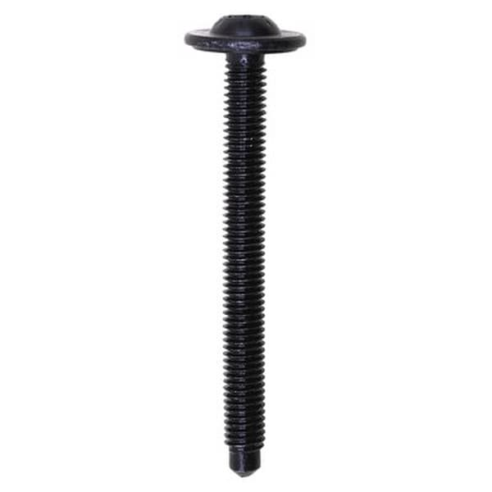 | https://www.auveco.com/hood-latch-mounting-torx-round-undercut-wshr-hd-bolt-25468 | {"0": "https://www.auveco.com/site/item-images/25468_image-1.jpg?resizeid=3&resizeh=600&resizew=600", "1": "https://www.auveco.com/site/item-images/25468_image-3.jpg?resizeid=3&resizeh=600&resizew=600"} | {"0": {"Pcs/Unit": "25"}, "1": {"Screw Size": "M6-1.0 x 32mm"}, "2": {"Washer Diameter": "17mm"}, "3": {"Finish": "Black Zinc"}, "4": {"Point": "Dog"}, "5": {"Country": "China"}}
2 | 25467 | Headlamp & Radiator Support Torx® Button Head Sems® Screw |  | 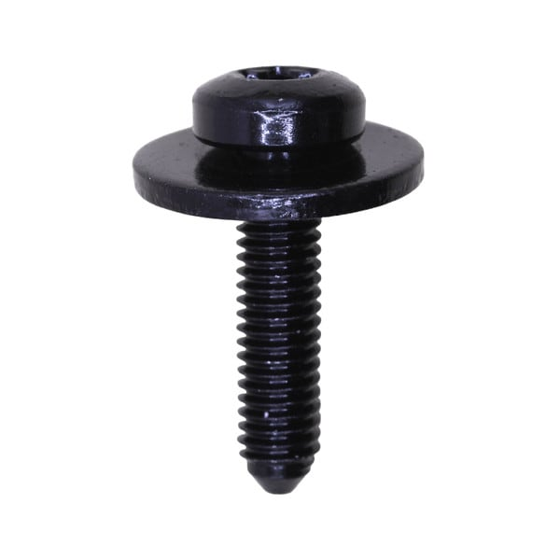 | https://www.auveco.com/headlamp-radiator-support-torx-button-hd-scrw-w-sems-wshr-25467 | {"0": "https://www.auveco.com/site/item-images/25467_image-1.jpg?resizeid=3&resizeh=600&resizew=600", "1": "https://www.auveco.com/site/item-images/25467_image-3.jpg?resizeid=3&resizeh=600&resizew=600"} | {"0": {"Pcs/Unit": "25"}, "1": {"Screw Size": "M6-1.0"}, "2": {"Length": "25mm"}, "3": {"Washer Diameter": "20mm"}, "4": {"Finish": "Black Zinc"}, "5": {"Point": "BP"}, "6": {"Drive Type": "T-30"}, "7": {"Country": "China"}}
3 | 25044 | Ford 1999-2016 Replacement Bed Bolts M14-2.0 x 108mm | W714264-S902;W714264?S902 | 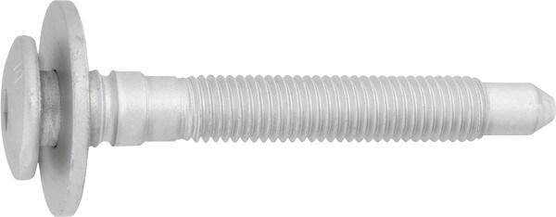 | https://www.auveco.com/ford-truck-bed-mounting-body-bolt-25044 | {"0": "https://www.auveco.com/site/item-images/25044_image-1.jpg?resizeid=3&resizeh=600&resizew=600", "1": "https://www.auveco.com/site/item-images/25044_image-3.jpg?resizeid=3&resizeh=600&resizew=600"} | {"0": {"Pcs/Unit": "2"}, "1": {"Screw Size": "M14-2.0 x 108mm"}, "2": {"Washer Diameter": "40mm"}, "3": {"Finish": "Zinc"}, "4": {"Drive Size": "8mm"}, "5": {"Country": "China"}, "6": {"Shoulder Length": "23mm"}}
4 | 25043 | Ford 1999-2016 Replacement Bed Bolts M14-2.0 x 138mm | W714263-S902;W714263?S902 |  | https://www.auveco.com/ford-truck-bed-mounting-body-bolt-25043 | {"0": "https://www.auveco.com/site/item-images/25043_image-1.jpg?resizeid=3&resizeh=600&resizew=600", "1": "https://www.auveco.com/site/item-images/25043_image-3.jpg?resizeid=3&resizeh=600&resizew=600"} | {"0": {"Pcs/Unit": "2"}, "1": {"Screw Size": "M14-2.0 x 138mm"}, "2": {"Washer Diameter": "40mm"}, "3": {"Finish": "Zinc"}, "4": {"Drive Size": "8mm"}, "5": {"Country": "China"}, "6": {"Shoulder Length": "19.5mm"}}
5 | 25042 | Ford 1999-2016 Replacement Bed Bolts M14-2.0 x 138mm | W714262-S902;W714262?S902 |  | https://www.auveco.com/ford-truck-bed-mounting-body-bolt-25042 | {"0": "https://www.auveco.com/site/item-images/25042_image-1.jpg?resizeid=3&resizeh=600&resizew=600", "1": "https://www.auveco.com/site/item-images/25042_image-3.jpg?resizeid=3&resizeh=600&resizew=600"} | {"0": {"Pcs/Unit": "2"}, "1": {"Screw Size": "M14-2.0 x 138mm"}, "2": {"Washer Diameter": "40mm"}, "3": {"Finish": "Zinc"}, "4": {"Drive Size": "8mm"}, "5": {"Country": "China"}, "6": {"Shoulder Length": "23mm"}}
6 | 24512 | M6-1.0 x 30 Torx Washer Head Body Bolt Ca Pt |  | 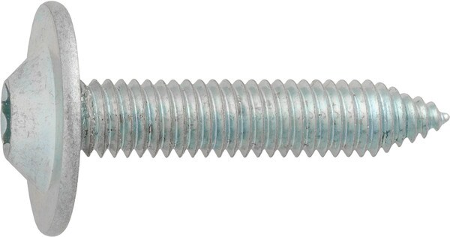 | https://www.auveco.com/m6-1-0-x-30-torx-wshr-hd-body-bolt-ca-pt-24512 | {"0": "https://www.auveco.com/site/item-images/24512_image-1.jpg?resizeid=3&resizeh=600&resizew=600", "1": "https://www.auveco.com/site/item-images/24512_image-3.jpg?resizeid=3&resizeh=600&resizew=600"} | {"0": {"Pcs/Unit": "25"}, "1": {"Head Style": "Torx Truss"}, "2": {"Screw Size": "M6"}, "3": {"Length": "30mm"}, "4": {"Point Type": "CA"}, "5": {"Finish": "Zinc"}, "6": {"Drive Type": "Torx"}, "7": {"Washer Head Diameter": "18mm"}, "8": {"Material": "Steel"}, "9": {"Country": "China"}}
7 | 24082 | Hex Washer Head Body Bolt 5/16-18 x 1-1/4" - Black |  | 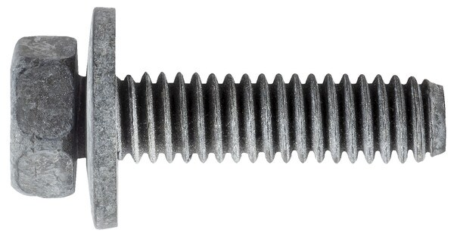 | https://www.auveco.com/hex-wshr-hd-body-bolt-5-16-18-x-1-1-4-black-24082 | {"0": "https://www.auveco.com/site/item-images/24082_image-1.jpg?resizeid=3&resizeh=600&resizew=600", "1": "https://www.auveco.com/site/item-images/24082_image-3.jpg?resizeid=3&resizeh=600&resizew=600"} | {"0": {"Pcs/Unit": "50"}, "1": {"Head Style": "Hex Sems"}, "2": {"Screw Size": "5/16 in.-18"}, "3": {"Length": "1-1/4 in."}, "4": {"Across Flats": "1/2 in."}, "5": {"Washer Diameter": "3/4 in."}, "6": {"Finish": "Black"}, "7": {"Country": "Taiwan (Province of China)"}}
8 | 18187 | Hex Head Sems Bolt M8-1.25 x 45mm Class 8.8 |  | 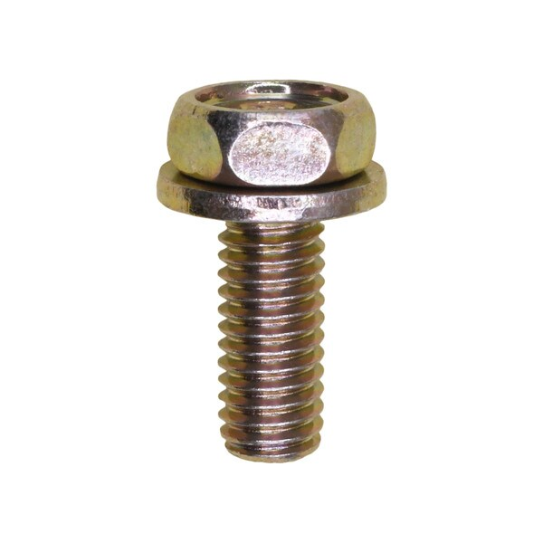 | https://www.auveco.com/hex-head-sems-bolt-m8-1-25-x-45mm-class-8-8-18187 | {"0": "https://www.auveco.com/site/item-images/18187_image-1.jpg?resizeid=3&resizeh=600&resizew=600", "1": "https://www.auveco.com/site/item-images/18187_image-3.jpg?resizeid=3&resizeh=600&resizew=600"} | {"0": {"Pcs/Unit": "25"}, "1": {"Head Style": "Hex Sems"}, "2": {"Screw Size": "M8-1.25"}, "3": {"Length": "45mm"}, "4": {"Across Flats": "12.0mm"}, "5": {"Washer Diameter": "17mm"}, "6": {"Finish": "Yellow Zinc Dichromate"}, "7": {"Includes": "Flat Washer"}, "8": {"Country": "Taiwan (Province of China)"}}
9 | 16762 | Wave Washer Bolt And Flat Washer M8-1.25 x 40mm |  | 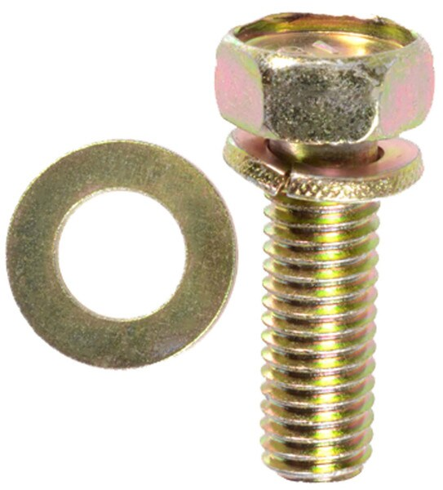 | https://www.auveco.com/wave-washer-bolt-flat-washer-m8-1-25-x-40mm-16762 | {"0": "https://www.auveco.com/site/item-images/16762_image-1.jpg?resizeid=3&resizeh=600&resizew=600"} | {"0": {"Pcs/Unit": "25"}, "1": {"Head Style": "Hex Sems"}, "2": {"Screw Size": "M8-1.25"}, "3": {"Length": "40mm"}, "4": {"Across Flats": "13.0mm"}, "5": {"Washer Diameter": "14mm & 17mm"}, "6": {"Finish": "Yellow Zinc Dichromate"}, "7": {"Includes": "Split Wave & Flat Washer"}, "8": {"Country": "Taiwan (Province of China)"}}
10 | 13620 | M10-1.5 x 45mm Metric Indented Hex Sems Washer Head | 11501194 | 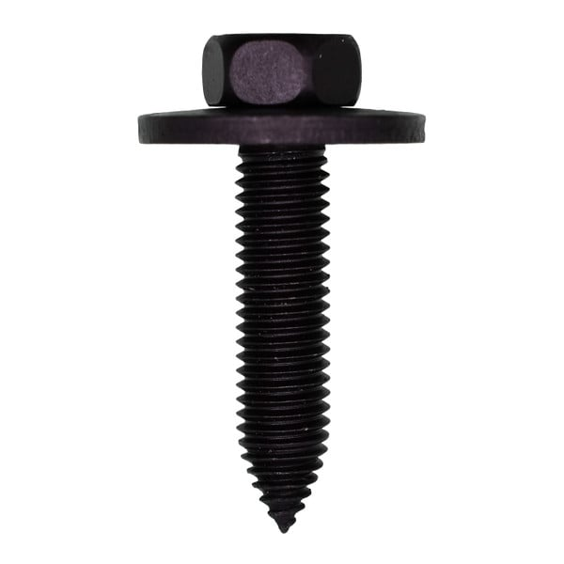 | https://www.auveco.com/m10-1-5-x-45mm-metric-ind-hex-sems-wa-hd-13620 | {"0": "https://www.auveco.com/site/item-images/13620_image-1.jpg?resizeid=3&resizeh=600&resizew=600", "1": "https://www.auveco.com/site/item-images/13620_image-3.jpg?resizeid=3&resizeh=600&resizew=600"} | {"0": {"Pcs/Unit": "10"}, "1": {"Head Style": "Hex Sems"}, "2": {"Screw Size": "M10-1.5"}, "3": {"Length": "45mm"}, "4": {"Across Flats": "15.0mm"}, "5": {"Washer Diameter": "30mm"}, "6": {"Point Type": "CA"}, "7": {"Finish": "Phosphate"}, "8": {"Country": "Taiwan (Province of China)"}}
11 | 19455 | M6-1.0 x 25mm Hex Head Sems 19mm O.D. Phosphate | 6101718;6102396-AA;6100567 | 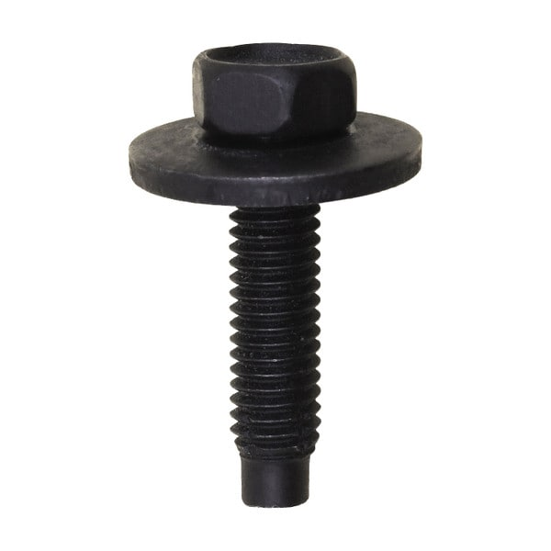 | https://www.auveco.com/m6-1-0-x-25mm-hex-head-sems-19mm-o-d-phosphate-19455 | {"0": "https://www.auveco.com/site/item-images/19455_image-1.jpg?resizeid=3&resizeh=600&resizew=600", "1": "https://www.auveco.com/site/item-images/19455_image-3.jpg?resizeid=3&resizeh=600&resizew=600"} | {"0": {"Pcs/Unit": "25"}, "1": {"Head Style": "Hex Sems"}, "2": {"Screw Size": "M6-1.0"}, "3": {"Length": "25mm"}, "4": {"Across Flats": "10.0mm"}, "5": {"Washer Diameter": "19mm"}, "6": {"Point Type": "Dog Point"}, "7": {"Finish": "Phosphate"}, "8": {"Country": "Taiwan (Province of China)"}}
12 | 24515 | M6-1.0 x 20 Torx Washer Head Body Bolt Ca Point |  | 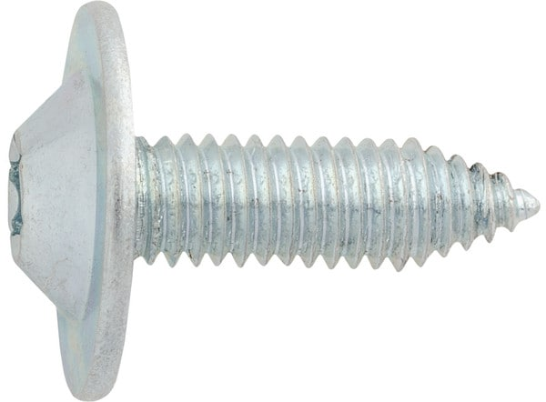 | https://www.auveco.com/m6-1-0-x-20-torx-wshr-hd-body-bolt-ca-pt-24515 | {"0": "https://www.auveco.com/site/item-images/24515_image-1.jpg?resizeid=3&resizeh=600&resizew=600", "1": "https://www.auveco.com/site/item-images/24515_image-3.jpg?resizeid=3&resizeh=600&resizew=600"} | {"0": {"Pcs/Unit": "25"}, "1": {"Head Style": "Torx Truss"}, "2": {"Screw Size": "M6"}, "3": {"Length": "20mm"}, "4": {"Point Type": "CA"}, "5": {"Finish": "Zinc"}, "6": {"Drive Type": "Torx"}, "7": {"Washer Head Diameter": "18mm"}, "8": {"Material": "Steel"}, "9": {"Country": "China"}}
13 | 24505 | 6 x 25mm Hex Head Sems Dog Pt Body Bolt | W503925-S36 | 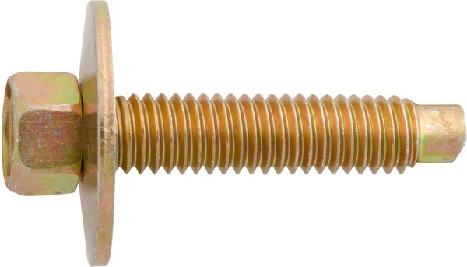 | https://www.auveco.com/6-x-25mm-hex-hd-sems-dog-pt-body-bolt-24505 | {"0": "https://www.auveco.com/site/item-images/24505_image-1.jpg?resizeid=3&resizeh=600&resizew=600", "1": "https://www.auveco.com/site/item-images/24505_image-3.jpg?resizeid=3&resizeh=600&resizew=600"} | {"0": {"Pcs/Unit": "50"}, "1": {"Head Style": "Hex Sems"}, "2": {"Screw Size": "M6"}, "3": {"Length": "25mm"}, "4": {"Across Flats": "8.0mm"}, "5": {"Washer Diameter": "19mm"}, "6": {"Point Type": "Dog Point"}, "7": {"Material": "Steel"}, "8": {"Country": "China"}}
14 | 25224 | Honda Engine Cover Bolt M6-1.0 x 15mm | 90105-TBA-A00 | 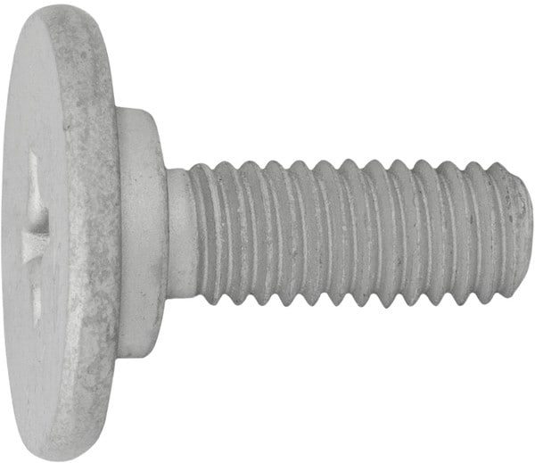 | https://www.auveco.com/honda-engine-cover-phillips-drive-bolt-25224 | {"0": "https://www.auveco.com/site/item-images/25224_image-1.jpg?resizeid=3&resizeh=600&resizew=600", "1": "https://www.auveco.com/site/item-images/25224_image-3.jpg?resizeid=3&resizeh=600&resizew=600"} | {"0": {"Pcs/Unit": "15"}, "1": {"Screw Size": "M6-1.0"}, "2": {"Length": "15mm"}, "3": {"Finish": "Zinc"}, "4": {"Head Diameter": "18mm"}, "5": {"Drive Type": "Phillips"}, "6": {"Country": "China"}, "7": {"Shoulder Diameter": "10mm"}, "8": {"Shoulder Length": "2.5mm"}}
15 | 25313 | Ford Super Duty Bed Bolts | W719365-S902 | 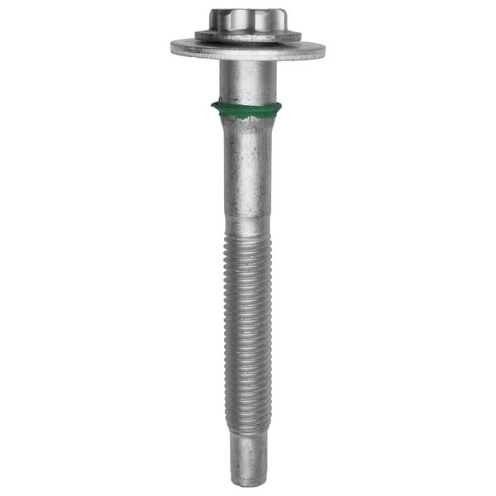 | https://www.auveco.com/ford-truck-bed-mntg-bolt-m14-2-0-x-130mm-25313 | {"0": "https://www.auveco.com/site/item-images/25313_image-1.jpg?resizeid=3&resizeh=600&resizew=600", "1": "https://www.auveco.com/site/item-images/25313_image-3.jpg?resizeid=3&resizeh=600&resizew=600"} | {"0": {"Pcs/Unit": "2"}, "1": {"Screw Size": "M14-2.0 x 130mm"}, "2": {"Washer Diameter": "42mm"}, "3": {"Finish": "Zinc"}, "4": {"Flange Diameter": "29mm"}, "5": {"Drive Size": "EP-24"}, "6": {"Drive Type": "Torx Plus"}, "7": {"Color": "Silver"}, "8": {"Material": "Steel"}, "9": {"Country": "China"}}
16 | 25312 | Ford Super Duty Bed Bolts | W718818-S902 | 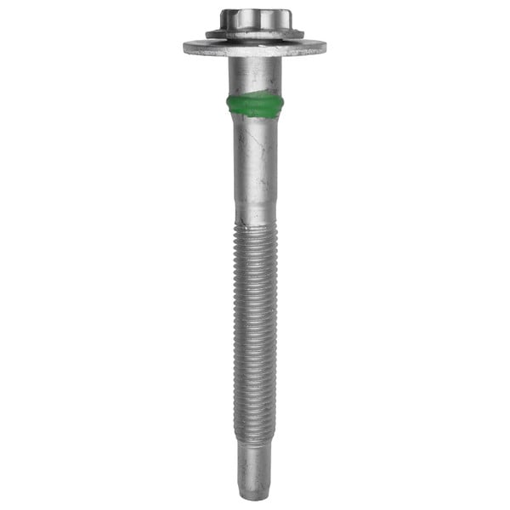 | https://www.auveco.com/ford-truck-bed-mntg-bolt-m14-2-0-x-148mm-25312 | {"0": "https://www.auveco.com/site/item-images/25312_image-1.jpg?resizeid=3&resizeh=600&resizew=600", "1": "https://www.auveco.com/site/item-images/25312_image-3.jpg?resizeid=3&resizeh=600&resizew=600"} | {"0": {"Pcs/Unit": "2"}, "1": {"Screw Size": "M14-2.0 x 148mm"}, "2": {"Washer Diameter": "42mm"}, "3": {"Finish": "Zinc"}, "4": {"Flange Diameter": "29mm"}, "5": {"Drive Size": "EP-24"}, "6": {"Drive Type": "Torx Plus"}, "7": {"Color": "Silver"}, "8": {"Material": "Steel"}, "9": {"Country": "China"}}
17 | 24502 | M8 - 1.25 x 35 Hex Flange Head Body Bolt Dog Point | 11515791 | 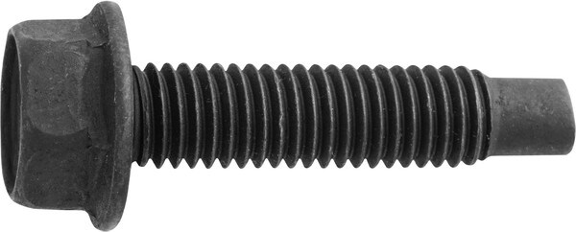 | https://www.auveco.com/m8-1-25-x-35hex-flange-hd-body-bolt-dg-pt-24502 | {"0": "https://www.auveco.com/site/item-images/24502_image-1.jpg?resizeid=3&resizeh=600&resizew=600", "1": "https://www.auveco.com/site/item-images/24502_image-3.jpg?resizeid=3&resizeh=600&resizew=600"} | {"0": {"Pcs/Unit": "15"}, "1": {"Head Style": "Hex Flange"}, "2": {"Screw Size": "M8"}, "3": {"Length": "35mm"}, "4": {"Across Flats": "13.0mm"}, "5": {"Point Type": "Dog Point"}, "6": {"Finish": "Black Phosphate"}, "7": {"Flange Diameter": "17.5mm"}, "8": {"Size": "10.9"}, "9": {"Color": "Black"}, "10": {"Material": "Steel"}, "11": {"Country": "China"}}
18 | 24500 | M8 x 23 Body Bolt Dog Point with Loose Washer | 6505145AA | 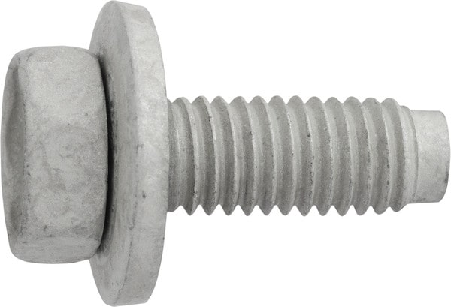 | https://www.auveco.com/m8-x-23-body-bolt-dg-pt-w-lse-wshr-24500 | {"0": "https://www.auveco.com/site/item-images/24500_image-1.jpg?resizeid=3&resizeh=600&resizew=600", "1": "https://www.auveco.com/site/item-images/24500_image-3.jpg?resizeid=3&resizeh=600&resizew=600"} | {"0": {"Pcs/Unit": "25"}, "1": {"Head Style": "Hex Sems"}, "2": {"Screw Size": "M8"}, "3": {"Length": "23mm"}, "4": {"Across Flats": "13.0mm"}, "5": {"Washer Diameter": "20mm"}, "6": {"Point Type": "Dog Point"}, "7": {"Finish": "Zinc"}, "8": {"Material": "Steel"}, "9": {"Country": "China"}}
19 | 23817 | Hex Head Sems Screw with a Dog Point M8-1.25 x 25mm | N606689-S2 | 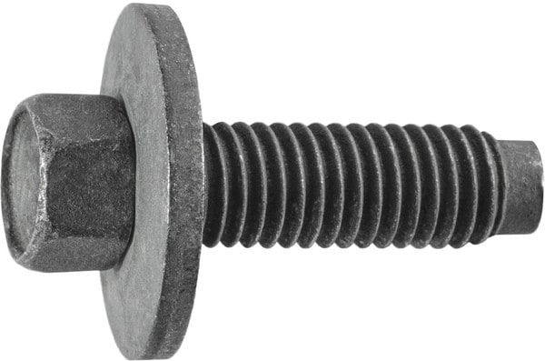 | https://www.auveco.com/hex-head-sems-screw-w-dog-point-m8-1-25-x-25mm-black-23817 | {"0": "https://www.auveco.com/site/item-images/23817_image-1.jpg?resizeid=3&resizeh=600&resizew=600", "1": "https://www.auveco.com/site/item-images/23817_image-3.jpg?resizeid=3&resizeh=600&resizew=600"} | {"0": {"Pcs/Unit": "25"}, "1": {"Head Style": "Hex Sems"}, "2": {"Screw Size": "M8"}, "3": {"Length": "25mm"}, "4": {"Across Flats": "10.0mm"}, "5": {"Washer Diameter": "22mm"}, "6": {"Point Type": "Dog Point"}, "7": {"Finish": "Phosphate"}, "8": {"Country": "China"}}
20 | 23796 | Hex Flange Head Cap Screw M8-1.25 x 40mm | 10037786 | 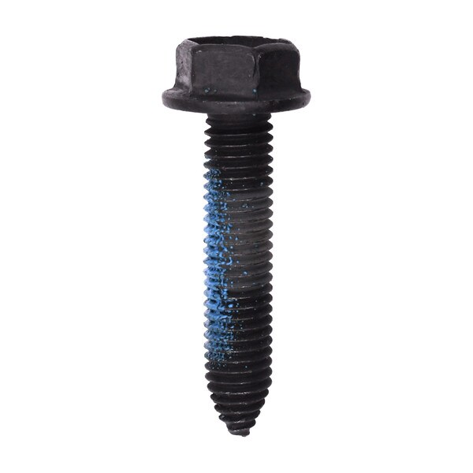 | https://www.auveco.com/hex-flange-head-cap-screw-m8-1-25-x-40mm-black-23796 | {"0": "https://www.auveco.com/site/item-images/23796_image-1.jpg?resizeid=3&resizeh=600&resizew=600", "1": "https://www.auveco.com/site/item-images/23796_image-3.jpg?resizeid=3&resizeh=600&resizew=600"} | {"0": {"Pcs/Unit": "50"}, "1": {"Head Style": "Hex Washer"}, "2": {"Screw Size": "M8"}, "3": {"Length": "40mm"}, "4": {"Across Flats": "13.0mm"}, "5": {"Point Type": "CA"}, "6": {"Finish": "Black"}, "7": {"Washer Head Diameter": "17mm"}, "8": {"Includes": "Thread Lock Compound"}, "9": {"Country": "United States"}}
21 | 23711 | Hex Flange Head Cap Screw M10-1.5 x 30mm | 11502607 | 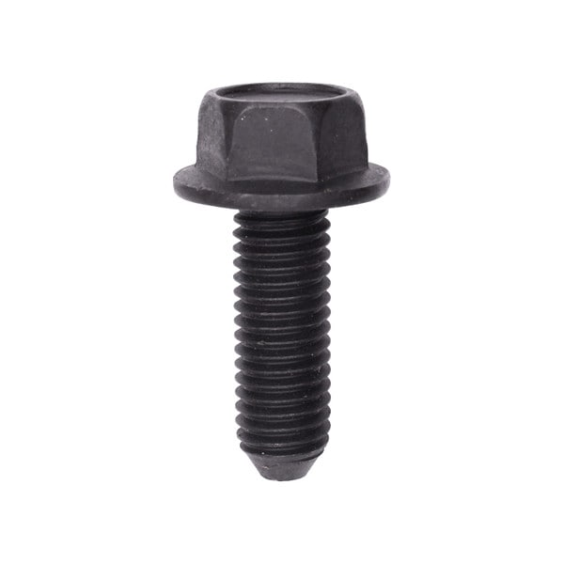 | https://www.auveco.com/hex-flange-hd-cap-screw-m10-1-5-x-30mm-black-23711 | {"0": "https://www.auveco.com/site/item-images/23711_image-1.jpg?resizeid=3&resizeh=600&resizew=600", "1": "https://www.auveco.com/site/item-images/23711_image-3.jpg?resizeid=3&resizeh=600&resizew=600"} | {"0": {"Pcs/Unit": "25"}, "1": {"Head Style": "Hex Flange"}, "2": {"Screw Size": "M10"}, "3": {"Length": "30mm"}, "4": {"Across Flats": "15.0mm"}, "5": {"Finish": "Black"}, "6": {"Flange Diameter": "25mm"}, "7": {"Country": "Taiwan (Province of China)"}}
22 | 23661 | Hex Head Sems Body Bolt Ca Point M6.3-1.0 x 20mm | 11500754 | 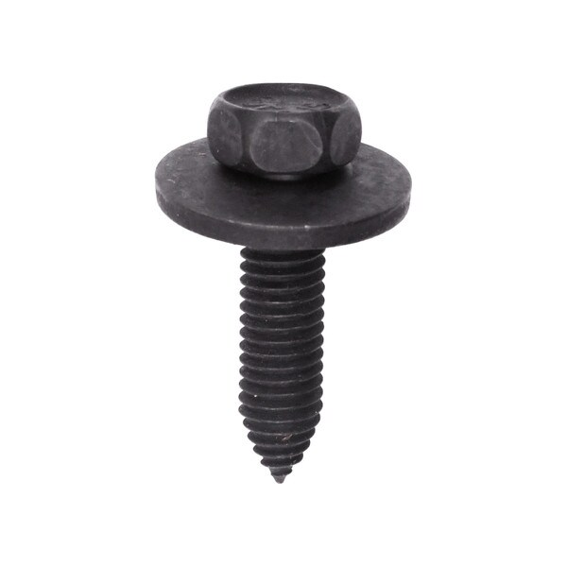 | https://www.auveco.com/hex-hd-sems-body-bolt-ca-point-m6-3-1-0-x-20mm-black-23661 | {"0": "https://www.auveco.com/site/item-images/23661_image-1.jpg?resizeid=3&resizeh=600&resizew=600", "1": "https://www.auveco.com/site/item-images/23661_image-3.jpg?resizeid=3&resizeh=600&resizew=600"} | {"0": {"Pcs/Unit": "100"}, "1": {"Head Style": "Hex Sems"}, "2": {"Screw Size": "M6.3 (#14)"}, "3": {"Length": "25mm"}, "4": {"Across Flats": "10.0mm"}, "5": {"Washer Diameter": "18mm"}, "6": {"Point Type": "CA"}, "7": {"Finish": "Phosphate"}, "8": {"Country": "Taiwan (Province of China)"}}
23 | 23654 | Hex Washer Head Body Bolt Ca Point M6.3-1.0 x 20mm |  | 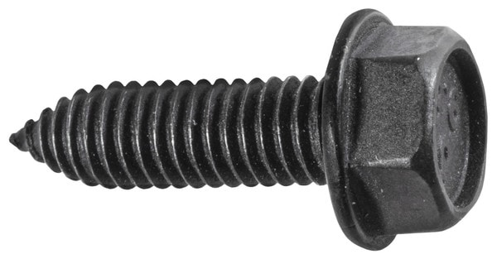 | https://www.auveco.com/hex-wshr-hd-body-bolt-ca-point-m6-3-1-0-x-20mm-black-23654 | {"0": "https://www.auveco.com/site/item-images/23654_image-1.jpg?resizeid=3&resizeh=600&resizew=600", "1": "https://www.auveco.com/site/item-images/23654_image-3.jpg?resizeid=3&resizeh=600&resizew=600"} | {"0": {"Pcs/Unit": "50"}, "1": {"Head Style": "Hex Washer"}, "2": {"Screw Size": "M6.3 (#14)"}, "3": {"Length": "20mm"}, "4": {"Across Flats": "10.0mm"}, "5": {"Point Type": "CA"}, "6": {"Finish": "Black"}, "7": {"Washer Head Diameter": "13mm"}, "8": {"Country": "Taiwan (Province of China)"}}
24 | 23653 | Hex Washer Head Body Bolt Ca Point M8-1.25 x 20mm | 11500969 | 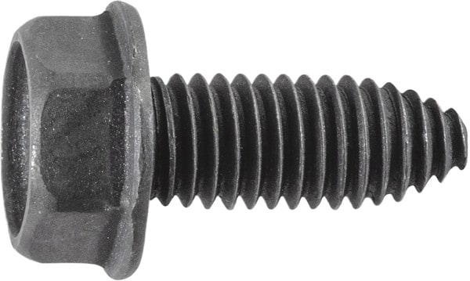 | https://www.auveco.com/hex-wshr-hd-body-bolt-ca-point-m8-1-25-x-20mm-black-23653 | {"0": "https://www.auveco.com/site/item-images/23653_image-1.jpg?resizeid=3&resizeh=600&resizew=600", "1": "https://www.auveco.com/site/item-images/23653_image-3.jpg?resizeid=3&resizeh=600&resizew=600"} | {"0": {"Pcs/Unit": "50"}, "1": {"Head Style": "Hex Washer"}, "2": {"Screw Size": "M8"}, "3": {"Length": "20mm"}, "4": {"Across Flats": "13.0mm"}, "5": {"Point Type": "CA"}, "6": {"Finish": "Black"}, "7": {"Washer Head Diameter": "16mm"}, "8": {"Country": "Taiwan (Province of China)"}}
25 | 22915 | Ford Hex Head Sems Body Bolt Zinc M8-1.25 x 31mm | W717793-S439 | 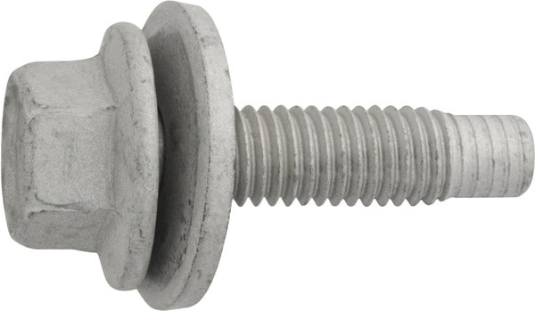 | https://www.auveco.com/hex-hd-sems-body-bolt-zinc-m8-1-25-x-31mm-22915 | {"0": "https://www.auveco.com/site/item-images/22915_image-1.jpg?resizeid=3&resizeh=600&resizew=600", "1": "https://www.auveco.com/site/item-images/22915_image-3.jpg?resizeid=3&resizeh=600&resizew=600"} | {"0": {"Pcs/Unit": "10"}, "1": {"Head Style": "Hex Sems"}, "2": {"Screw Size": "M8-1.25"}, "3": {"Length": "31mm"}, "4": {"Washer Diameter": "24mm"}, "5": {"Point Type": "Dog Point"}, "6": {"Finish": "Zinc"}, "7": {"Hex Size": "13mm"}, "8": {"Country": "United States"}}
26 | 22908 | Chrysler Hex Head Sems Body Bolt Zinc M8-1.25 x 30mm | 6105103-AA;6105103AA | 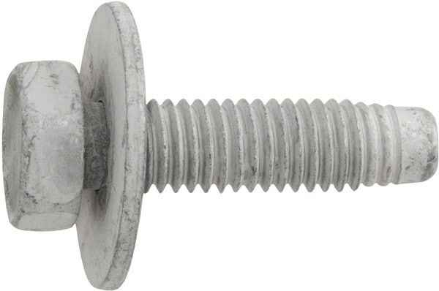 | https://www.auveco.com/hex-hd-sems-body-bolt-zinc-m8-1-25-x-30mm-22908 | {"0": "https://www.auveco.com/site/item-images/22908_image-1.jpg?resizeid=3&resizeh=600&resizew=600", "1": "https://www.auveco.com/site/item-images/22908_image-3.jpg?resizeid=3&resizeh=600&resizew=600"} | {"0": {"Pcs/Unit": "5"}, "1": {"Head Style": "Hex Sems"}, "2": {"Screw Size": "M8-1.25"}, "3": {"Length": "30mm"}, "4": {"Washer Diameter": "24mm"}, "5": {"Point Type": "Dog Point"}, "6": {"Finish": "Zinc"}, "7": {"Hex Size": "13mm"}, "8": {"Country": "United States"}}
27 | 22906 | Chrysler Hex Head Sems Body Bolt Zinc M6-1.0 x 40mm | 6104374-AA;6104374AA | 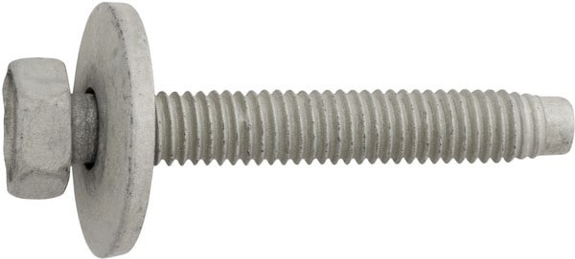 | https://www.auveco.com/hex-hd-sems-body-bolt-zinc-m6-1-0-x-40mm-22906 | {"0": "https://www.auveco.com/site/item-images/22906_image-1.jpg?resizeid=3&resizeh=600&resizew=600", "1": "https://www.auveco.com/site/item-images/22906_image-3.jpg?resizeid=3&resizeh=600&resizew=600"} | {"0": {"Pcs/Unit": "10"}, "1": {"Head Style": "Hex Sems"}, "2": {"Screw Size": "M6-1.0"}, "3": {"Length": "40mm"}, "4": {"Washer Diameter": "20mm"}, "5": {"Point Type": "Dog Point"}, "6": {"Finish": "Zinc"}, "7": {"Hex Size": "10mm"}, "8": {"Country": "United States"}}
28 | 20261 | GM Hex Head Sems Body Bolt M6-1.0 x 30mm | 11561509;10287379 | 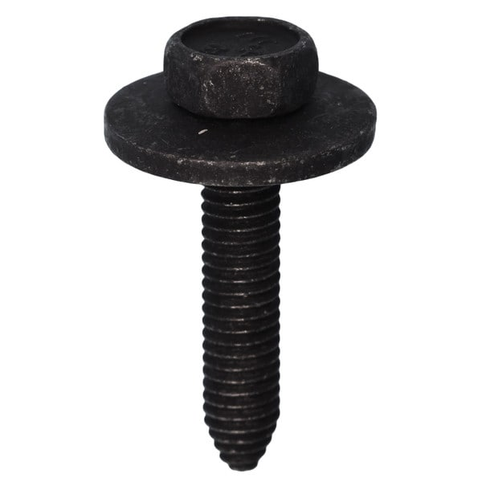 | https://www.auveco.com/gm-hex-head-sems-body-bolt-m6-1-0-x-30mm-20261 | {"0": "https://www.auveco.com/site/item-images/20261_image-1.jpg?resizeid=3&resizeh=600&resizew=600", "1": "https://www.auveco.com/site/item-images/20261_image-3.jpg?resizeid=3&resizeh=600&resizew=600"} | {"0": {"Pcs/Unit": "25"}, "1": {"Head Style": "Hex Sems"}, "2": {"Screw Size": "M6-1.0"}, "3": {"Length": "30mm"}, "4": {"Across Flats": "10.0mm"}, "5": {"Washer Diameter": "20mm"}, "6": {"Point Type": "CA"}, "7": {"Finish": "Phosphate"}, "8": {"Country": "Taiwan (Province of China)"}}
29 | 18416 | Hex Head Sems Body Bolt 10mm Hex M6-1.0 x 35mm |  | 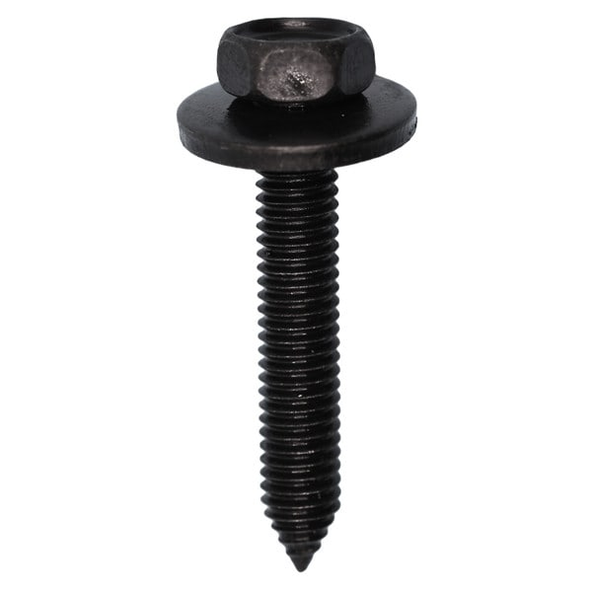 | https://www.auveco.com/hex-hd-sems-body-bolt-10mm-hex-m6-1-0-x-35mm-18416 | {"0": "https://www.auveco.com/site/item-images/18416_image-1.jpg?resizeid=3&resizeh=600&resizew=600", "1": "https://www.auveco.com/site/item-images/18416_image-3.jpg?resizeid=3&resizeh=600&resizew=600"} | {"0": {"Pcs/Unit": "50"}, "1": {"Head Style": "Hex Sems"}, "2": {"Screw Size": "M6-1.0"}, "3": {"Length": "35mm"}, "4": {"Across Flats": "10.0mm"}, "5": {"Washer Diameter": "17mm"}, "6": {"Point Type": "CA"}, "7": {"Finish": "Black Phosphate"}, "8": {"Country": "Taiwan (Province of China)"}}
30 | 16931 | Hex Head Sems Body Bolt M8-1.25 x 42mm Phosphate |  | 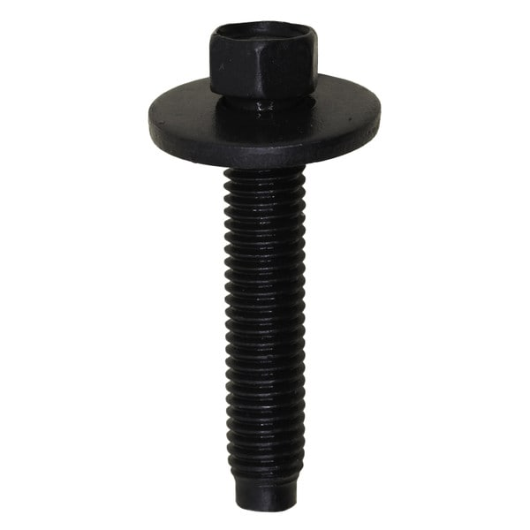 | https://www.auveco.com/hex-head-sems-body-bolt-m8-1-25-x-42mm-phosphate-16931 | {"0": "https://www.auveco.com/site/item-images/16931_image-1.jpg?resizeid=3&resizeh=600&resizew=600", "1": "https://www.auveco.com/site/item-images/16931_image-3.jpg?resizeid=3&resizeh=600&resizew=600"} | {"0": {"Pcs/Unit": "25"}, "1": {"Head Style": "Hex Sems"}, "2": {"Screw Size": "M8-1.25"}, "3": {"Length": "42mm"}, "4": {"Across Flats": "10.0mm"}, "5": {"Washer Diameter": "22mm"}, "6": {"Point Type": "Dog Point"}, "7": {"Finish": "Phosphate"}, "8": {"Country": "United States"}}
31 | 15818 | Hex Head Sems with Dog Point M6-1.0 x 30mm Phosphate | 6100568 | 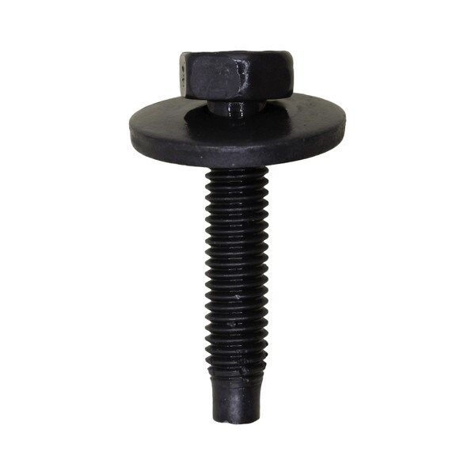 | https://www.auveco.com/hex-head-sems-w-dog-point-m6-1-0-x-30mm-phosphate-15818 | {"0": "https://www.auveco.com/site/item-images/15818_image-1.jpg?resizeid=3&resizeh=600&resizew=600", "1": "https://www.auveco.com/site/item-images/15818_image-3.jpg?resizeid=3&resizeh=600&resizew=600"} | {"0": {"Pcs/Unit": "50"}, "1": {"Head Style": "Hex Sems"}, "2": {"Screw Size": "M6-1.0"}, "3": {"Length": "30mm"}, "4": {"Across Flats": "10.0mm"}, "5": {"Washer Diameter": "19mm"}, "6": {"Point Type": "Dog Point"}, "7": {"Finish": "Phosphate"}, "8": {"Country": "United States"}}
32 | 15790 | Indented Head Sems Body Bolt Phosphate M8-1.25 x 25mm | 11505326 | 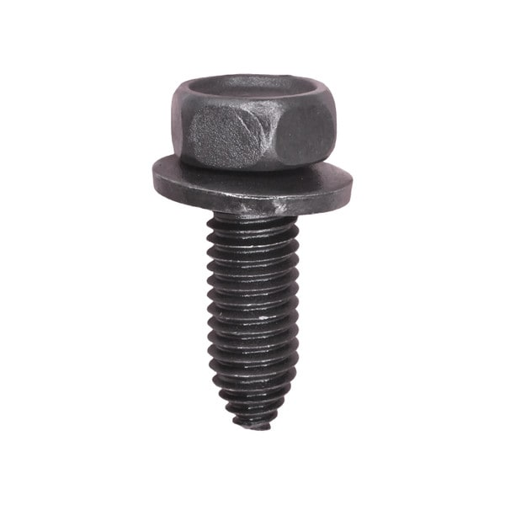 | https://www.auveco.com/ind-hd-sems-body-bolt-phosphate-m8-1-25-x-25mm-15790 | {"0": "https://www.auveco.com/site/item-images/15790_image-1.jpg?resizeid=3&resizeh=600&resizew=600", "1": "https://www.auveco.com/site/item-images/15790_image-3.jpg?resizeid=3&resizeh=600&resizew=600"} | {"0": {"Pcs/Unit": "50"}, "1": {"Head Style": "Hex Sems"}, "2": {"Screw Size": "M8-1.25"}, "3": {"Length": "25mm"}, "4": {"Across Flats": "13.0mm"}, "5": {"Washer Diameter": "17mm"}, "6": {"Point Type": "CA"}, "7": {"Finish": "Phosphate"}, "8": {"Country": "Taiwan (Province of China)"}}
33 | 15780 | Hex Head Sems Dog Point Phosphate M8-1.25 x 33mm | N606690-S2;N606690-S55 | 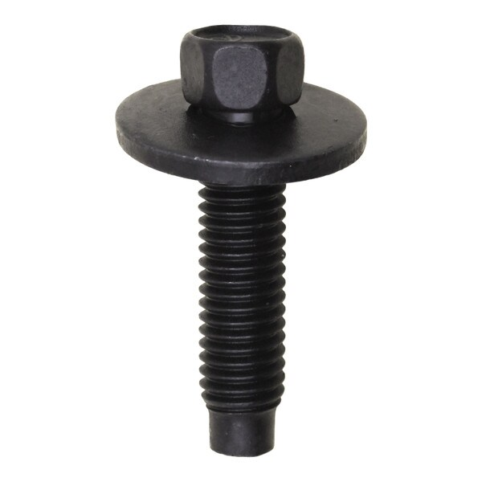 | https://www.auveco.com/hex-hd-sems-dog-pt-phosphate-m8-1-25-x-33mm-15780 | {"0": "https://www.auveco.com/site/item-images/15780_image-1.jpg?resizeid=3&resizeh=600&resizew=600", "1": "https://www.auveco.com/site/item-images/15780_image-3.jpg?resizeid=3&resizeh=600&resizew=600"} | {"0": {"Pcs/Unit": "50"}, "1": {"Head Style": "Hex Sems"}, "2": {"Screw Size": "M8-1.25"}, "3": {"Length": "33mm"}, "4": {"Across Flats": "10.0mm"}, "5": {"Washer Diameter": "22mm"}, "6": {"Point Type": "Dog Point"}, "7": {"Finish": "Phosphate"}, "8": {"Country": "Taiwan (Province of China)"}}
34 | 13705 | M8-1.25 x 35mm Hex Head Sems 24mm Diameter Phosphate | 11503668;11516596;11610010 | 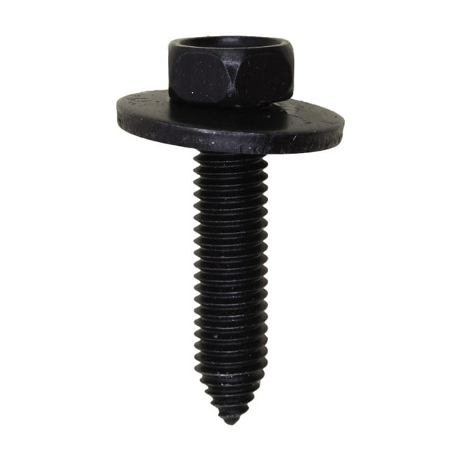 | https://www.auveco.com/m8-1-25-x-35mm-hex-head-sems-24mm-dia-phosphate-13705 | {"0": "https://www.auveco.com/site/item-images/13705_image-1.jpg?resizeid=3&resizeh=600&resizew=600", "1": "https://www.auveco.com/site/item-images/13705_image-3.jpg?resizeid=3&resizeh=600&resizew=600"} | {"0": {"Pcs/Unit": "25"}, "1": {"Head Style": "Hex Sems"}, "2": {"Screw Size": "M8-1.25"}, "3": {"Length": "35mm"}, "4": {"Across Flats": "13.0mm"}, "5": {"Washer Diameter": "24mm"}, "6": {"Point Type": "CA"}, "7": {"Finish": "Phosphate"}, "8": {"Country": "Taiwan (Province of China)"}}
35 | 13619 | M10-1.5 x 30mm Metric Indented Hex Sems Washer Head | 11516942;11517706;11504565 | 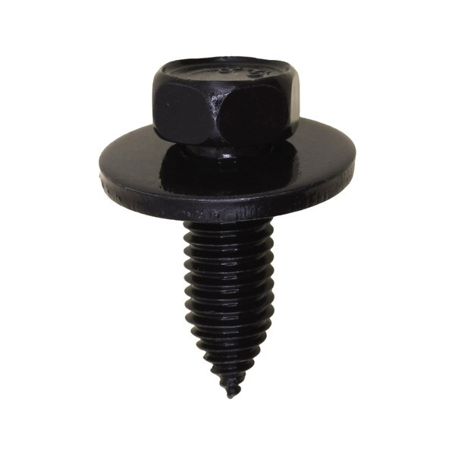 | https://www.auveco.com/m10-1-5-x-30mm-metric-ind-hex-sems-wa-hd-13619 | {"0": "https://www.auveco.com/site/item-images/13619_image-1.jpg?resizeid=3&resizeh=600&resizew=600", "1": "https://www.auveco.com/site/item-images/13619_image-3.jpg?resizeid=3&resizeh=600&resizew=600"} | {"0": {"Pcs/Unit": "10"}, "1": {"Head Style": "Hex Sems"}, "2": {"Screw Size": "M10-1.5"}, "3": {"Length": "30mm"}, "4": {"Across Flats": "15.0mm"}, "5": {"Washer Diameter": "29mm"}, "6": {"Point Type": "CA"}, "7": {"Finish": "Phosphate"}, "8": {"Country": "Taiwan (Province of China)"}}
36 | 13618 | M6-1.0 x 30mm Hex Head Sems 24mm O.D. Phosphate | 11503825 | 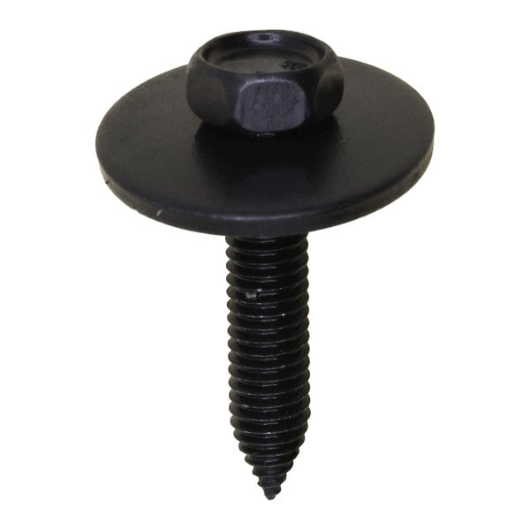 | https://www.auveco.com/m6-1-0-x-30mm-hex-head-sems-24mm-od-phosphate-13618 | {"0": "https://www.auveco.com/site/item-images/13618_image-1.jpg?resizeid=3&resizeh=600&resizew=600", "1": "https://www.auveco.com/site/item-images/13618_image-3.jpg?resizeid=3&resizeh=600&resizew=600"} | {"0": {"Pcs/Unit": "50"}, "1": {"Head Style": "Hex Sems"}, "2": {"Screw Size": "M6-1.0"}, "3": {"Length": "30mm"}, "4": {"Across Flats": "10.0mm"}, "5": {"Washer Diameter": "24mm"}, "6": {"Point Type": "CA"}, "7": {"Finish": "Phosphate"}, "8": {"Country": "Taiwan (Province of China)"}}
37 | 13614 | M8-1.25 x 30mm Hex Head Sems 24mm O.D. Phosphate | 11501188;11508269;11504567;11515757;11516594 | 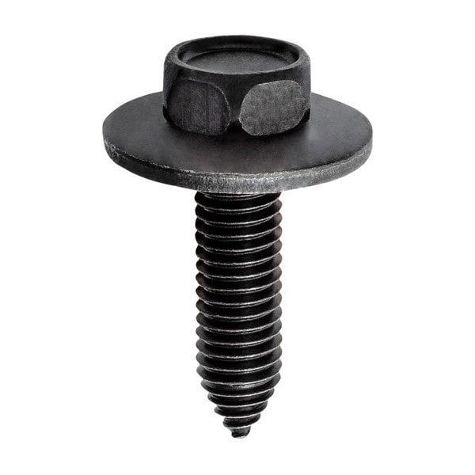 | https://www.auveco.com/m8-1-25-x-30mm-hex-hd-sems-24mm-od-phosphate-13614 | {"0": "https://www.auveco.com/site/item-images/13614_image-1.jpg?resizeid=3&resizeh=600&resizew=600", "1": "https://www.auveco.com/site/item-images/13614_image-3.jpg?resizeid=3&resizeh=600&resizew=600"} | {"0": {"Pcs/Unit": "25"}, "1": {"Head Style": "Hex Sems"}, "2": {"Screw Size": "M8-1.25"}, "3": {"Length": "30mm"}, "4": {"Across Flats": "13.0mm"}, "5": {"Washer Diameter": "24mm"}, "6": {"Point Type": "CA"}, "7": {"Finish": "Phosphate"}, "8": {"Country": "Taiwan (Province of China)"}}
38 | 13613 | M8-1.25 x 25mm Hex Head Sems 24mm O.D. Phosphate | 11501152;11503619;11501102 | 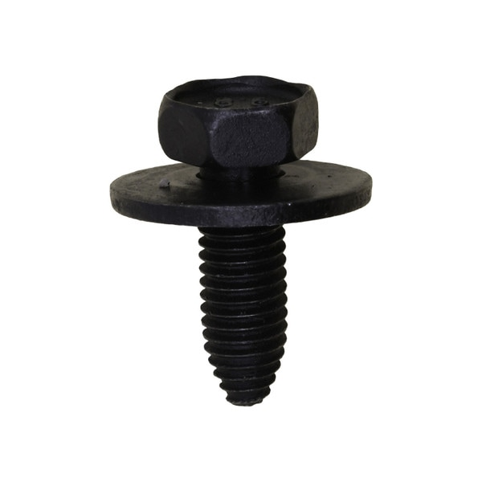 | https://www.auveco.com/m8-1-25-x-25mm-hex-hd-sems-24mm-od-phosphate-13613 | {"0": "https://www.auveco.com/site/item-images/13613_image-1.jpg?resizeid=3&resizeh=600&resizew=600", "1": "https://www.auveco.com/site/item-images/13613_image-3.jpg?resizeid=3&resizeh=600&resizew=600"} | {"0": {"Pcs/Unit": "25"}, "1": {"Head Style": "Hex Sems"}, "2": {"Screw Size": "M8-1.25"}, "3": {"Length": "25mm"}, "4": {"Across Flats": "13.0mm"}, "5": {"Washer Diameter": "24mm"}, "6": {"Point Type": "CA"}, "7": {"Finish": "Phosphate"}, "8": {"Country": "United States"}}
39 | 12348 | 8-1.25 x 30mm Hex Washer Head - Phosphate | 11500971;11504492 | 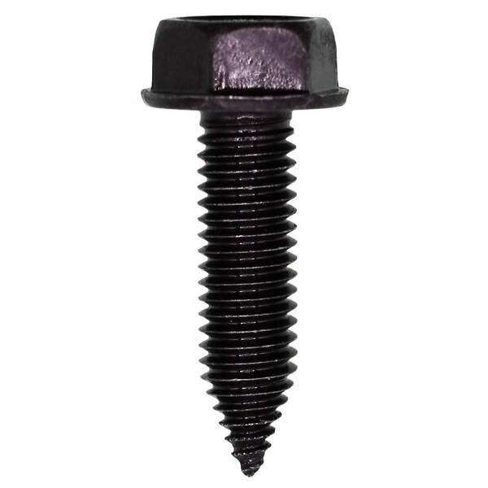 | https://www.auveco.com/8-1-25-x-30mm-hex-washer-head-phosphate-12348 | {"0": "https://www.auveco.com/site/item-images/12348_image-1.jpg?resizeid=3&resizeh=600&resizew=600", "1": "https://www.auveco.com/site/item-images/12348_image-3.jpg?resizeid=3&resizeh=600&resizew=600"} | {"0": {"Pcs/Unit": "25"}, "1": {"Head Style": "Hex Washer"}, "2": {"Screw Size": "M8-1.25"}, "3": {"Length": "30mm"}, "4": {"Across Flats": "13.0mm"}, "5": {"Washer Diameter": "17mm"}, "6": {"Point Type": "CA"}, "7": {"Finish": "Phosphate"}, "8": {"Country": "Taiwan (Province of China)"}}
40 | 12343 | 8-1.25 x 35mm Hex Washer Head - Phosphate | 11504982 | 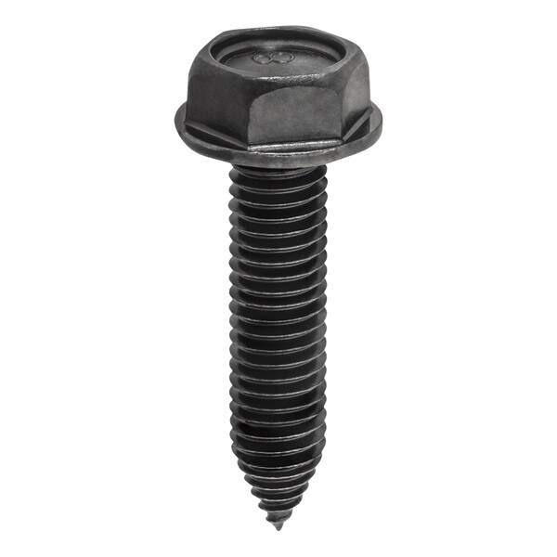 | https://www.auveco.com/8-1-25-x-35mm-hex-washer-head-phosphate-12343 | {"0": "https://www.auveco.com/site/item-images/12343_image-1.jpg?resizeid=3&resizeh=600&resizew=600", "1": "https://www.auveco.com/site/item-images/12343_image-3.jpg?resizeid=3&resizeh=600&resizew=600"} | {"0": {"Pcs/Unit": "25"}, "1": {"Head Style": "Hex Washer"}, "2": {"Screw Size": "M8-1.25"}, "3": {"Length": "35mm"}, "4": {"Across Flats": "13.0mm"}, "5": {"Washer Diameter": "17mm"}, "6": {"Point Type": "CA"}, "7": {"Finish": "Phosphate"}, "8": {"Country": "Taiwan (Province of China)"}}
41 | 12336 | 8-1.25 x 25mm Hex Washer Head - Black Polyseal | 11500970;11503632 | 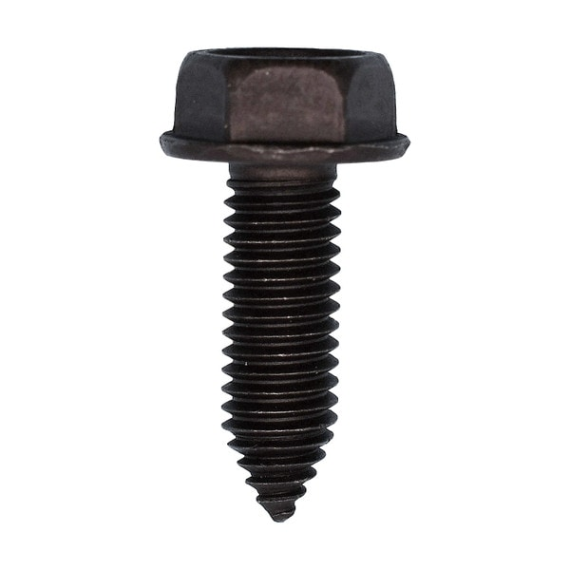 | https://www.auveco.com/8-1-25-x-25mm-hex-washer-hd-phosphate-12336 | {"0": "https://www.auveco.com/site/item-images/12336_image-1.jpg?resizeid=3&resizeh=600&resizew=600", "1": "https://www.auveco.com/site/item-images/12336_image-3.jpg?resizeid=3&resizeh=600&resizew=600"} | {"0": {"Pcs/Unit": "25"}, "1": {"Head Style": "Hex Washer"}, "2": {"Screw Size": "M8-1.25"}, "3": {"Length": "25mm"}, "4": {"Across Flats": "13.0mm"}, "5": {"Washer Diameter": "17mm"}, "6": {"Point Type": "CA"}, "7": {"Finish": "Black Polyseal"}, "8": {"Country": "Taiwan (Province of China)"}}
42 | 12327 | 10-1.50 x 33mm Indented Hex Wash Head with Dog Point - Phosphate | N605920-S2 | 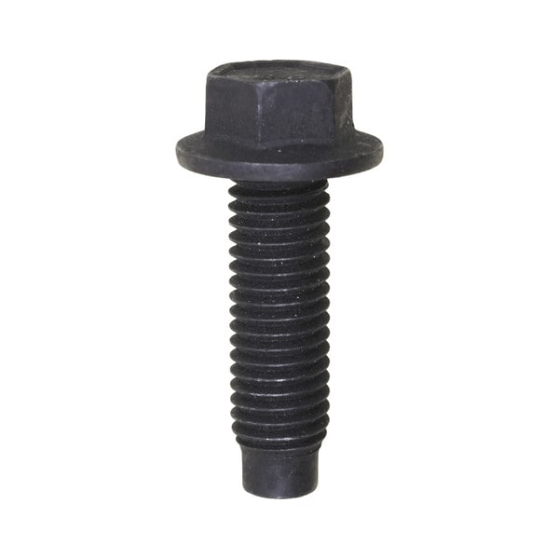 | https://www.auveco.com/10-1-50-x-33mm-ind-hex-wash-hd-w-dog-point-phosphate-12327 | {"0": "https://www.auveco.com/site/item-images/12327_image-1.jpg?resizeid=3&resizeh=600&resizew=600", "1": "https://www.auveco.com/site/item-images/12327_image-3.jpg?resizeid=3&resizeh=600&resizew=600"} | {"0": {"Pcs/Unit": "25"}, "1": {"Head Style": "Hex Washer"}, "2": {"Screw Size": "M10-1.5"}, "3": {"Length": "33mm"}, "4": {"Across Flats": "13.0mm"}, "5": {"Washer Diameter": "20mm"}, "6": {"Point Type": "Dog Point"}, "7": {"Finish": "Phosphate"}, "8": {"Country": "Taiwan (Province of China)"}}
43 | 11935 | M6.3-1.0 x 25mm Hex Head Sems 17mm O.D. - Zinc | 11502790;11500754 | 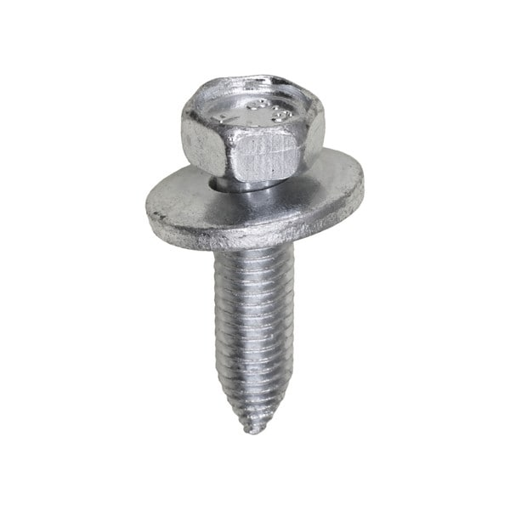 | https://www.auveco.com/m6-3-1-0-x-25mmhex-hd-sems-17mm-od-zinc-11935 | {"0": "https://www.auveco.com/site/item-images/11935_image-1.jpg?resizeid=3&resizeh=600&resizew=600", "1": "https://www.auveco.com/site/item-images/11935_image-3.jpg?resizeid=3&resizeh=600&resizew=600"} | {"0": {"Pcs/Unit": "25"}, "1": {"Head Style": "Hex Sems"}, "2": {"Screw Size": "M6.3-1.0"}, "3": {"Length": "25mm"}, "4": {"Across Flats": "10.0mm"}, "5": {"Washer Diameter": "17mm"}, "6": {"Point Type": "CA"}, "7": {"Finish": "Zinc"}, "8": {"Country": "United States"}}
44 | 11641 | 10-1.5 x 40mm Hex Head Sems 29mm Washer O.D. - Phosphate |  | 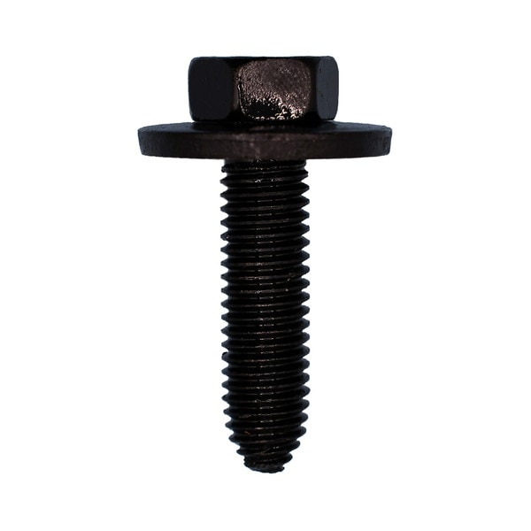 | https://www.auveco.com/10-1-5-x-40mm-hex-hd-sems-29mm-wash-od-phosphate-11641 | {"0": "https://www.auveco.com/site/item-images/11641_image-1.jpg?resizeid=3&resizeh=600&resizew=600", "1": "https://www.auveco.com/site/item-images/11641_image-3.jpg?resizeid=3&resizeh=600&resizew=600"} | {"0": {"Pcs/Unit": "25"}, "1": {"Head Style": "Hex Sems"}, "2": {"Screw Size": "M10-1.5"}, "3": {"Length": "40mm"}, "4": {"Across Flats": "15.0mm"}, "5": {"Washer Diameter": "29mm"}, "6": {"Point Type": "CA"}, "7": {"Finish": "Phosphate"}, "8": {"Country": "United States"}}
45 | 11640 | 8-1.25 x 30mm Hex Washer Head Flange Screw - Zinc Organic | 11500971;549790 | 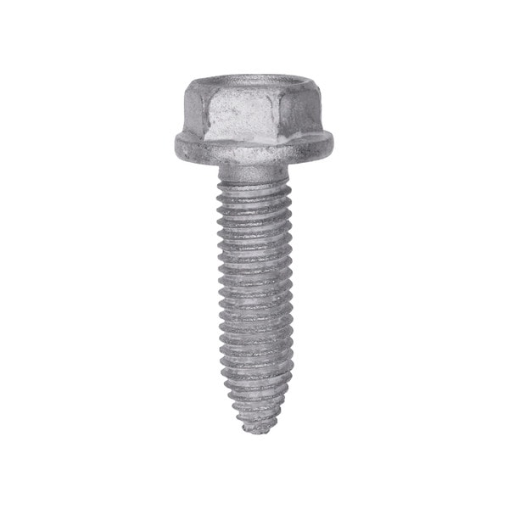 | https://www.auveco.com/8-1-25-x-30mm-hex-washer-hd-flange-screw-zinc-org-11640 | {"0": "https://www.auveco.com/site/item-images/11640_image-1.jpg?resizeid=3&resizeh=600&resizew=600", "1": "https://www.auveco.com/site/item-images/11640_image-3.jpg?resizeid=3&resizeh=600&resizew=600"} | {"0": {"Pcs/Unit": "25"}, "1": {"Head Style": "Hex Washer"}, "2": {"Screw Size": "M8-1.25"}, "3": {"Length": "30mm"}, "4": {"Across Flats": "13.0mm"}, "5": {"Washer Diameter": "17mm"}, "6": {"Point Type": "CA"}, "7": {"Finish": "Zinc Organic"}, "8": {"Country": "United States"}}
46 | 11639 | M8-1.25 x 25mm Metric Hex Flange Head Screw - Phosphate | 11502605;11509511;11515756;11502624;11514343 | 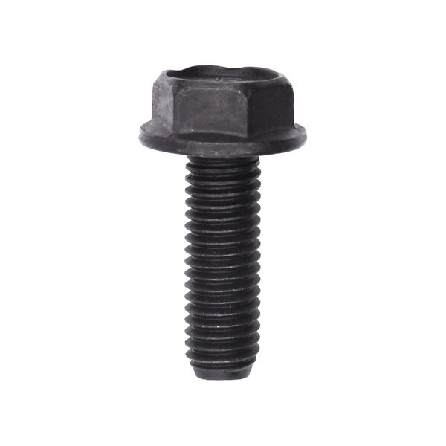 | https://www.auveco.com/8-x-1-25-x-25mm-metric-hex-flange-hd-screw-phosphate-11639 | {"0": "https://www.auveco.com/site/item-images/11639_image-1.jpg?resizeid=3&resizeh=600&resizew=600", "1": "https://www.auveco.com/site/item-images/11639_image-3.jpg?resizeid=3&resizeh=600&resizew=600"} | {"0": {"Pcs/Unit": "25"}, "1": {"Head Style": "Hex Washer"}, "2": {"Screw Size": "M8-1.25"}, "3": {"Length": "25mm"}, "4": {"Across Flats": "13.0mm"}, "5": {"Washer Diameter": "17mm"}, "6": {"Point Type": "CA"}, "7": {"Finish": "Phosphate"}, "8": {"Country": "United States"}}
47 | 11638 | 8-1.25 x 16mm Spin Lock Bolt 18mm Washer O.D. - Phosphate | 11509589;362069 | 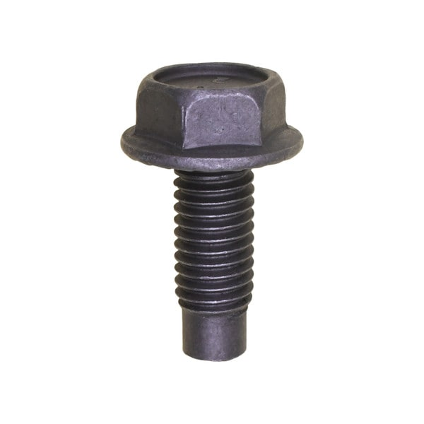 | https://www.auveco.com/8-1-25-x-22mm-spin-lock-bolt-18mm-wash-od-phosphate-11638 | {"0": "https://www.auveco.com/site/item-images/11638_image-1.jpg?resizeid=3&resizeh=600&resizew=600", "1": "https://www.auveco.com/site/item-images/11638_image-3.jpg?resizeid=3&resizeh=600&resizew=600"} | {"0": {"Pcs/Unit": "25"}, "1": {"Head Style": "Hex Washer"}, "2": {"Screw Size": "M8-1.25"}, "3": {"Length": "16mm"}, "4": {"Across Flats": "13.0mm"}, "5": {"Washer Diameter": "18mm"}, "6": {"Point Type": "Dog Point"}, "7": {"Finish": "Phosphate"}, "8": {"Country": "United States"}}
48 | 11633 | 6.3-1.0 x 20mm Hex Head Sems 17mm Washer O.D. - Phosphate | 11501105 | 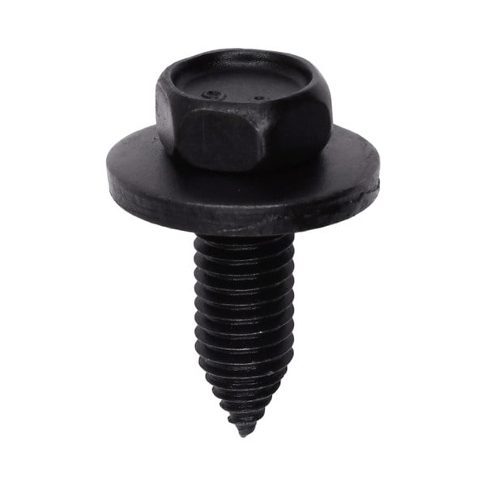 | https://www.auveco.com/6-3-1-0-x-20mm-hex-hd-sems-17mm-wash-od-phosphate-11633 | {"0": "https://www.auveco.com/site/item-images/11633_image-1.jpg?resizeid=3&resizeh=600&resizew=600", "1": "https://www.auveco.com/site/item-images/11633_image-3.jpg?resizeid=3&resizeh=600&resizew=600"} | {"0": {"Pcs/Unit": "25"}, "1": {"Head Style": "Hex Sems"}, "2": {"Screw Size": "M6.3-1.0"}, "3": {"Length": "20mm"}, "4": {"Across Flats": "10.0mm"}, "5": {"Washer Diameter": "17mm"}, "6": {"Point Type": "CA"}, "7": {"Finish": "Phosphate"}, "8": {"Country": "Taiwan (Province of China)"}}
49 | 25439 | Chrysler Bumper & Grill Square Stud | 68353367AA | 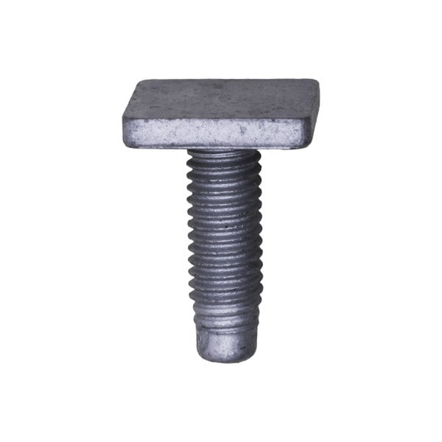 | https://www.auveco.com/bumper-grille-square-head-stud-w-dog-point-ram-25439 | {"0": "https://www.auveco.com/site/item-images/25439_image-1.jpg?resizeid=3&resizeh=600&resizew=600", "1": "https://www.auveco.com/site/item-images/25439_image-3.jpg?resizeid=3&resizeh=600&resizew=600"} | {"0": {"Pcs/Unit": "25"}, "1": {"Screw Size": "M5-0.80"}, "2": {"Length": "15mm"}, "3": {"Finish": "Zinc Organic"}, "4": {"Head Size": "12mm x 12mm"}, "5": {"Country": "Taiwan (Province of China)"}}
50 | 24489 | M6 x 20 Torx Washer Head Body Bolt Ca Point |  | 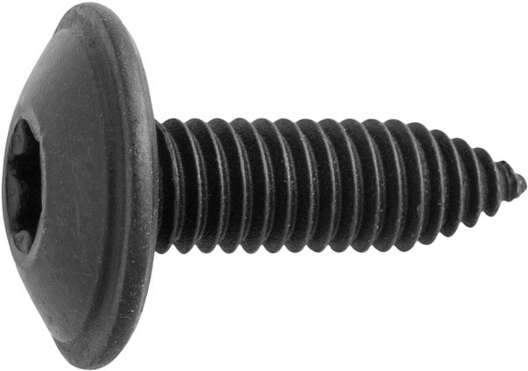 | https://www.auveco.com/m6-x-20-torx-wshr-hd-body-bolt-ca-pt-24489 | {"0": "https://www.auveco.com/site/item-images/24489_image-1.jpg?resizeid=3&resizeh=600&resizew=600", "1": "https://www.auveco.com/site/item-images/24489_image-3.jpg?resizeid=3&resizeh=600&resizew=600"} | {"0": {"Pcs/Unit": "25"}, "1": {"Head Style": "Torx Truss"}, "2": {"Screw Size": "M6"}, "3": {"Length": "20mm"}, "4": {"Point Type": "CA"}, "5": {"Drive Type": "Torx"}, "6": {"Washer Head Diameter": "16mm"}, "7": {"Color": "Black"}, "8": {"Material": "Steel"}, "9": {"Country": "China"}}
51 | 24479 | M4.2 x 13mm Phillips Pan Head Tapping Screw with Loose Washer | W505416 | 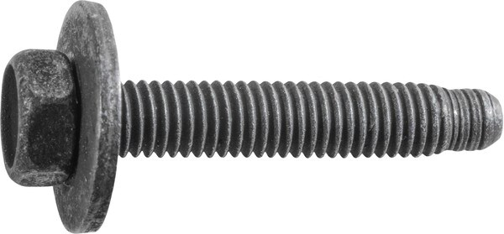 | https://www.auveco.com/ford-m5-0-8-x-25mm-hex-hd-14-5mm-sems-wdp-24479 | {"0": "https://www.auveco.com/site/item-images/24479_image-1.jpg?resizeid=3&resizeh=600&resizew=600", "1": "https://www.auveco.com/site/item-images/24479_image-3.jpg?resizeid=3&resizeh=600&resizew=600"} | {"0": {"Pcs/Unit": "25"}, "1": {"Head Style": "Hex Sems"}, "2": {"Screw Size": "M5"}, "3": {"Length": "25mm"}, "4": {"Across Flats": "8.0mm"}, "5": {"Washer Diameter": "14.5mm"}, "6": {"Point Type": "Dog Point"}, "7": {"Screw Type": "Tapping"}, "8": {"Color": "Black"}, "9": {"Material": "Steel"}, "10": {"Country": "China"}}
52 | 23900 | Hex Head Sems Screw M4-0.70 x 12mm - Black | N801293-S36 | 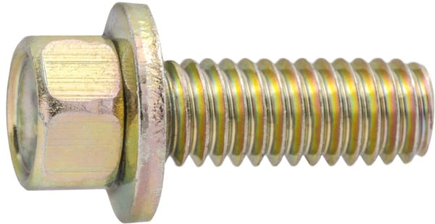 | https://www.auveco.com/hex-head-sems-screw-m4-0-70-x-12mm-black-23900 | {"0": "https://www.auveco.com/site/item-images/23900_image-1.jpg?resizeid=3&resizeh=600&resizew=600", "1": "https://www.auveco.com/site/item-images/23900_image-3.jpg?resizeid=3&resizeh=600&resizew=600"} | {"0": {"Pcs/Unit": "50"}, "1": {"Head Style": "Hex Sems"}, "2": {"Screw Size": "M4"}, "3": {"Length": "12mm"}, "4": {"Across Flats": "5.5mm"}, "5": {"Washer Diameter": "7.9mm"}, "6": {"Finish": "Yellow Zinc Chromate"}, "7": {"Country": "Taiwan (Province of China)"}}
53 | 23855 | Saturn Torx Button Head Body Bolt |  |  | https://www.auveco.com/saturn-torx-button-head-body-bolt-23855 | {"0": "https://www.auveco.com/site/item-images/23855_image-1.jpg?resizeid=3&resizeh=600&resizew=600", "1": "https://www.auveco.com/site/item-images/23855_image-3.jpg?resizeid=3&resizeh=600&resizew=600"} | {"0": {"Pcs/Unit": "15"}, "1": {"Head Style": "Button"}, "2": {"Screw Size": "M6-1.0"}, "3": {"Length": "20mm"}, "4": {"Washer Diameter": "18mm"}, "5": {"Point Type": "Dog Point"}, "6": {"Finish": "Black"}, "7": {"Drive Size": "T-30"}, "8": {"Drive Type": "Torx"}, "9": {"Includes": "Washer"}, "10": {"Country": "Taiwan (Province of China)"}, "11": {"Shoulder Diameter": "9.5mm"}, "12": {"Shoulder Length": "5mm"}}
54 | 23830 | Hex Head Sems Screw M6-1.0 x 16mm |  |  | https://www.auveco.com/hex-head-sems-screw-m6-1-0-x-16mm-23830 | {"0": "https://www.auveco.com/site/item-images/23830_image-1.jpg?resizeid=3&resizeh=600&resizew=600", "1": "https://www.auveco.com/site/item-images/23830_image-3.jpg?resizeid=3&resizeh=600&resizew=600"} | {"0": {"Pcs/Unit": "50"}, "1": {"Head Style": "Hex Sems"}, "2": {"Screw Size": "M6"}, "3": {"Length": "16mm"}, "4": {"Across Flats": "10.0mm"}, "5": {"Washer Diameter": "16mm"}, "6": {"Finish": "Black"}, "7": {"Country": "Taiwan (Province of China)"}}
55 | 23811 | Hex Head Sems Screw with Dog Point M6-1.0 x 20mm | N800394-S2 |  | https://www.auveco.com/hex-head-sems-screw-w-dog-point-m6-1-0-x-20mm-black-23811 | {"0": "https://www.auveco.com/site/item-images/23811_image-1.jpg?resizeid=3&resizeh=600&resizew=600", "1": "https://www.auveco.com/site/item-images/23811_image-3.jpg?resizeid=3&resizeh=600&resizew=600"} | {"0": {"Pcs/Unit": "50"}, "1": {"Head Style": "Hex Sems"}, "2": {"Screw Size": "M6"}, "3": {"Length": "20mm"}, "4": {"Across Flats": "8.0mm"}, "5": {"Washer Diameter": "24mm"}, "6": {"Point Type": "Dog Point"}, "7": {"Finish": "Phosphate"}, "8": {"Country": "Taiwan (Province of China)"}}
56 | 23808 | Hex Head Sems Screw with Dog Point M6-1.0 x 28mm |  |  | https://www.auveco.com/hex-head-sems-screw-w-dog-point-m6-1-0-x-28mm-black-23808 | {"0": "https://www.auveco.com/site/item-images/23808_image-1.jpg?resizeid=3&resizeh=600&resizew=600", "1": "https://www.auveco.com/site/item-images/23808_image-3.jpg?resizeid=3&resizeh=600&resizew=600"} | {"0": {"Pcs/Unit": "25"}, "1": {"Head Style": "Hex Sems"}, "2": {"Screw Size": "M6"}, "3": {"Length": "28mm"}, "4": {"Across Flats": "8.0mm"}, "5": {"Washer Diameter": "19mm"}, "6": {"Point Type": "Dog Point"}, "7": {"Finish": "Phosphate"}, "8": {"Country": "Taiwan (Province of China)"}}
57 | 23801 | Hex Head Sems Screw M5-0.80 x 20mm | 11505816 |  | https://www.auveco.com/hex-head-sems-screw-m5-0-80-x-20mm-black-23801 | {"0": "https://www.auveco.com/site/item-images/23801_image-1.jpg?resizeid=3&resizeh=600&resizew=600", "1": "https://www.auveco.com/site/item-images/23801_image-3.jpg?resizeid=3&resizeh=600&resizew=600"} | {"0": {"Pcs/Unit": "50"}, "1": {"Head Style": "Hex Washer"}, "2": {"Screw Size": "M5"}, "3": {"Length": "20mm"}, "4": {"Across Flats": "8.0mm"}, "5": {"Finish": "Black"}, "6": {"Washer Head Diameter": "14mm"}, "7": {"Country": "Taiwan (Province of China)"}}
58 | 23789 | Torx Round Washer Head Body Bolt withCa Point M6-1.0 x 20mm | 14039261 |  | https://www.auveco.com/torx-round-wshr-hd-body-bolt-w-ca-point-m6-1-0-x-20mm-zinc-23789 | {"0": "https://www.auveco.com/site/item-images/23789_image-1.jpg?resizeid=3&resizeh=600&resizew=600", "1": "https://www.auveco.com/site/item-images/23789_image-3.jpg?resizeid=3&resizeh=600&resizew=600"} | {"0": {"Pcs/Unit": "50"}, "1": {"Head Style": "Torx Truss"}, "2": {"Screw Size": "M6"}, "3": {"Length": "20mm"}, "4": {"Point Type": "CA"}, "5": {"Finish": "Zinc"}, "6": {"Drive Size": "T-30"}, "7": {"Washer Head Diameter": "18mm"}, "8": {"Country": "Taiwan (Province of China)"}}
59 | 23689 | Hex Head Sems Screw M6-1.0 x 25mm | 11504303 |  | https://www.auveco.com/hex-hd-sems-screw-m6-1-0-x-25mm-black-23689 | {"0": "https://www.auveco.com/site/item-images/23689_image-1.jpg?resizeid=3&resizeh=600&resizew=600", "1": "https://www.auveco.com/site/item-images/23689_image-3.jpg?resizeid=3&resizeh=600&resizew=600"} | {"0": {"Pcs/Unit": "50"}, "1": {"Head Style": "Hex Sems"}, "2": {"Screw Size": "M6"}, "3": {"Length": "25mm"}, "4": {"Across Flats": "10.0mm"}, "5": {"Washer Diameter": "17mm"}, "6": {"Finish": "Black"}, "7": {"Country": "Taiwan (Province of China)"}}
60 | 23688 | Hex Head Sems Screw with Dog Point M6-1.0 x 18mm | N606675-S2 |  | https://www.auveco.com/hex-hd-sems-screw-w-dog-point-m6-1-0-x-18mm-black-23688 | {"0": "https://www.auveco.com/site/item-images/23688_image-1.jpg?resizeid=3&resizeh=600&resizew=600", "1": "https://www.auveco.com/site/item-images/23688_image-3.jpg?resizeid=3&resizeh=600&resizew=600"} | {"0": {"Pcs/Unit": "50"}, "1": {"Head Style": "Hex Sems"}, "2": {"Screw Size": "M6"}, "3": {"Length": "18mm"}, "4": {"Across Flats": "8.0mm"}, "5": {"Washer Diameter": "19mm"}, "6": {"Point Type": "Dog Point"}, "7": {"Finish": "Phosphate"}, "8": {"Country": "Taiwan (Province of China)"}}
61 | 22536 | GM Sems Body Bolt M6-1.0 x 20mm | 11589031 |  | https://www.auveco.com/gm-sems-body-bolt-22536 | {"0": "https://www.auveco.com/site/item-images/22536_image-1.jpg?resizeid=3&resizeh=600&resizew=600", "1": "https://www.auveco.com/site/item-images/22536_image-3.jpg?resizeid=3&resizeh=600&resizew=600"} | {"0": {"Pcs/Unit": "15"}, "1": {"Head Style": "Hex Sems"}, "2": {"Screw Size": "M6-1.0"}, "3": {"Length": "20mm"}, "4": {"Washer Diameter": "24mm"}, "5": {"Finish": "Black Zinc"}, "6": {"Drive Type": "Hex"}, "7": {"Includes": "Washer"}, "8": {"Material": "Zinc Plated Steel"}, "9": {"Country": "United States"}}
62 | 22428 | Ford M6-1.0 x 22mm Torx Pan Head Body Bolt | W708464-S450B |  | https://www.auveco.com/ford-torx-pan-head-body-bolt-with-dog-point-22428 | {"0": "https://www.auveco.com/site/item-images/22428_image-1.jpg?resizeid=3&resizeh=600&resizew=600", "1": "https://www.auveco.com/site/item-images/22428_image-3.jpg?resizeid=3&resizeh=600&resizew=600"} | {"0": {"Pcs/Unit": "15"}, "1": {"Head Style": "Torx Truss"}, "2": {"Screw Size": "M6-1.0"}, "3": {"Length": "22mm"}, "4": {"Point Type": "Dog Point"}, "5": {"Finish": "Zinc"}, "6": {"Head Diameter": "17.5mm"}, "7": {"Drive Size": "T-30"}, "8": {"Drive Type": "Torx"}, "9": {"Material": "Black Zinc"}, "10": {"Country": "United States"}}
63 | 22293 | Hex Washer Head Sems Fender Liner Bolt M6-1.0 x 15mm | 9GG600616T;9GG6-00-616T |  | https://www.auveco.com/mazda-hex-washer-head-sems-body-bolt-22293 | {"0": "https://www.auveco.com/site/item-images/22293_image-1.jpg?resizeid=3&resizeh=600&resizew=600", "1": "https://www.auveco.com/site/item-images/22293_image-3.jpg?resizeid=3&resizeh=600&resizew=600"} | {"0": {"Pcs/Unit": "25"}, "1": {"Head Style": "Hex Sems"}, "2": {"Screw Size": "M6-1.0"}, "3": {"Length": "15mm"}, "4": {"Across Flats": "10.0mm"}, "5": {"Washer Diameter": "18mm"}, "6": {"Finish": "Black Phosphate"}, "7": {"Material": "Steel"}, "8": {"Country": "China"}}
64 | 22271 | Subaru M5-0.8 x 23mm Phillips Hex Head Sems | 901935002 |  | https://www.auveco.com/subaru-phillips-hex-head-sems-body-bolt-dog-pt-22271 | {"0": "https://www.auveco.com/site/item-images/22271_image-1.jpg?resizeid=3&resizeh=600&resizew=600", "1": "https://www.auveco.com/site/item-images/22271_image-3.jpg?resizeid=3&resizeh=600&resizew=600"} | {"0": {"Pcs/Unit": "50"}, "1": {"Head Style": "Phillips Hex Sems"}, "2": {"Screw Size": "M5-0.80"}, "3": {"Length": "23mm"}, "4": {"Across Flats": "8.0mm"}, "5": {"Washer Diameter": "18mm"}, "6": {"Point Type": "Dog Point"}, "7": {"Finish": "Black Zinc"}, "8": {"Drive Type": "Phillips"}, "9": {"Material": "Steel"}, "10": {"Country": "Taiwan (Province of China)"}}
65 | 22232 | Ford Hex Head Sems Body Bolt, Dog Point, Thread Lock | W711390-S900 |  | https://www.auveco.com/ford-hex-head-sems-body-bolt-w-threaded-patch-22232 | {"0": "https://www.auveco.com/site/item-images/22232_image-1.jpg?resizeid=3&resizeh=600&resizew=600"} | {"0": {"Pcs/Unit": "25"}, "1": {"Head Style": "Hex Sems"}, "2": {"Screw Size": "M6-1.0"}, "3": {"Length": "30mm"}, "4": {"Washer Diameter": "18mm"}, "5": {"Point Type": "Dog Point"}, "6": {"Hex Size": "10mm"}, "7": {"Includes": "Thread Lock Compound"}, "8": {"Material": "Black Zinc"}, "9": {"Country": "United States"}}
66 | 22164 | GM Hex Head Sems Body Bolt with a Dog Point | 11502618 |  | https://www.auveco.com/gm-hex-head-sems-body-bolt-with-dog-point-22164 | {"0": "https://www.auveco.com/site/item-images/22164_image-1.jpg?resizeid=3&resizeh=600&resizew=600", "1": "https://www.auveco.com/site/item-images/22164_image-3.jpg?resizeid=3&resizeh=600&resizew=600"} | {"0": {"Pcs/Unit": "50"}, "1": {"Head Style": "Hex Sems"}, "2": {"Screw Size": "M4-.7"}, "3": {"Length": "16mm"}, "4": {"Washer Diameter": "13mm"}, "5": {"Point Type": "Dog Point"}, "6": {"Finish": "Black Phosphate"}, "7": {"Hex Size": "7mm"}, "8": {"Country": "Taiwan (Province of China)"}}
67 | 21840 | Toyota/Lexus Hex Head Flange Bolt, M6-1.0 x 11 mm, 10 mm Hex | 90105-06037 |  | https://www.auveco.com/lexus-toyota-hex-head-flange-bolt-21840 | {"0": "https://www.auveco.com/site/item-images/21840_image-1.jpg?resizeid=3&resizeh=600&resizew=600", "1": "https://www.auveco.com/site/item-images/21840_image-3.jpg?resizeid=3&resizeh=600&resizew=600"} | {"0": {"Pcs/Unit": "25"}, "1": {"Head Style": "Hex Flange"}, "2": {"Screw Size": "M6-1.0"}, "3": {"Length": "11mm"}, "4": {"Washer Diameter": "15.5mm"}, "5": {"Finish": "Black E-Coat"}, "6": {"Drive Type": "Hex"}, "7": {"Country": "China"}}
68 | 18515 | Torx Washer Head Body Bolt M6-1.0 x 20mm | 21094240 |  | https://www.auveco.com/torx-washer-hd-body-bolt-m6-1-0-x-20mm-18515 | {"0": "https://www.auveco.com/site/item-images/18515_image-1.jpg?resizeid=3&resizeh=600&resizew=600", "1": "https://www.auveco.com/site/item-images/18515_image-3.jpg?resizeid=3&resizeh=600&resizew=600"} | {"0": {"Pcs/Unit": "25"}, "1": {"Head Style": "Torx Truss"}, "2": {"Screw Size": "M6-1.0"}, "3": {"Length": "20mm"}, "4": {"Washer Diameter": "13.5mm"}, "5": {"Finish": "Black"}, "6": {"Drive Size": "T-30"}, "7": {"Drive Type": "Torx"}, "8": {"Country": "Taiwan (Province of China)"}}
69 | 16893 | Hex Head Sems Bolt with Dog Point M6-1.0 x 28mm | AB-181-GG;N800947-S |  | https://www.auveco.com/hex-head-sems-bolt-w-dog-point-m6-1-0-x-28mm-16893 | {"0": "https://www.auveco.com/site/item-images/16893_image-1.jpg?resizeid=3&resizeh=600&resizew=600", "1": "https://www.auveco.com/site/item-images/16893_image-3.jpg?resizeid=3&resizeh=600&resizew=600"} | {"0": {"Pcs/Unit": "25"}, "1": {"Head Style": "Hex Sems"}, "2": {"Screw Size": "M6-1.0"}, "3": {"Length": "28mm"}, "4": {"Across Flats": "8.0mm"}, "5": {"Washer Diameter": "25mm"}, "6": {"Point Type": "Dog Point"}, "7": {"Finish": "Phosphate"}, "8": {"Country": "Taiwan (Province of China)"}}
70 | 15791 | Hex Sems Body Bolt Black Fluorocarbon M6-1.0 x 16mm | 11508930 |  | https://www.auveco.com/hex-sems-body-bolt-blk-fluorocarb-m6-1-0-x-16mm-15791 | {"0": "https://www.auveco.com/site/item-images/15791_image-1.jpg?resizeid=3&resizeh=600&resizew=600", "1": "https://www.auveco.com/site/item-images/15791_image-3.jpg?resizeid=3&resizeh=600&resizew=600"} | {"0": {"Pcs/Unit": "50"}, "1": {"Head Style": "Hex Sems"}, "2": {"Screw Size": "M6-1.0"}, "3": {"Length": "16mm"}, "4": {"Across Flats": "10.0mm"}, "5": {"Washer Diameter": "17mm"}, "6": {"Finish": "Black"}, "7": {"Country": "Taiwan (Province of China)"}}
71 | 15788 | Hex Head Sems Body Bolt Zinc M6-1.0 x 25mm | 11503833 |  | https://www.auveco.com/hex-hd-sems-body-bolt-zinc-m6-1-0-x-25mm-15788 | {"0": "https://www.auveco.com/site/item-images/15788_image-1.jpg?resizeid=3&resizeh=600&resizew=600", "1": "https://www.auveco.com/site/item-images/15788_image-3.jpg?resizeid=3&resizeh=600&resizew=600"} | {"0": {"Pcs/Unit": "50"}, "1": {"Head Style": "Hex Sems"}, "2": {"Screw Size": "M6-1.0"}, "3": {"Length": "25mm"}, "4": {"Across Flats": "10.0mm"}, "5": {"Washer Diameter": "17mm"}, "6": {"Point Type": "CA"}, "7": {"Finish": "Zinc"}, "8": {"Country": "United States"}}
72 | 15779 | Hex Head Sems Body Bolt Black M6-1.0 x 28mm | N606677-S53B;N606677-S;N606677-S43B;N606677S |  | https://www.auveco.com/hex-hd-sems-body-bolt-black-m6-1-0-x-28mm-15779 | {"0": "https://www.auveco.com/site/item-images/15779_image-1.jpg?resizeid=3&resizeh=600&resizew=600", "1": "https://www.auveco.com/site/item-images/15779_image-3.jpg?resizeid=3&resizeh=600&resizew=600"} | {"0": {"Pcs/Unit": "50"}, "1": {"Head Style": "Hex Sems"}, "2": {"Screw Size": "M6-1.0"}, "3": {"Length": "28mm"}, "4": {"Across Flats": "8.0mm"}, "5": {"Washer Diameter": "19mm"}, "6": {"Point Type": "Dog Point"}, "7": {"Finish": "Chrome"}, "8": {"Country": "United States"}}
73 | 15778 | Hex Head Sems Body Bolt Zinc M6-1.0 x 22.5mm | N606676-S100;N606676-S36 |  | https://www.auveco.com/hex-hd-sems-body-bolt-zinc-m6-1-0-x-22-5mm-15778 | {"0": "https://www.auveco.com/site/item-images/15778_image-1.jpg?resizeid=3&resizeh=600&resizew=600", "1": "https://www.auveco.com/site/item-images/15778_image-3.jpg?resizeid=3&resizeh=600&resizew=600"} | {"0": {"Pcs/Unit": "50"}, "1": {"Head Style": "Hex Sems"}, "2": {"Screw Size": "M6-1.0"}, "3": {"Length": "22.5mm"}, "4": {"Across Flats": "8.0mm"}, "5": {"Washer Diameter": "19mm"}, "6": {"Point Type": "Dog Point"}, "7": {"Finish": "Zinc"}, "8": {"Country": "Taiwan (Province of China)"}}
74 | 14947 | Mirror Mounting Screw M6 x 26mm | N801851-S45;N801851S;N801851-S |  | https://www.auveco.com/mirror-mounting-screw-m6-x-26mm-14947 | {"0": "https://www.auveco.com/site/item-images/14947_image-1.jpg?resizeid=3&resizeh=600&resizew=600", "1": "https://www.auveco.com/site/item-images/14947_image-3.jpg?resizeid=3&resizeh=600&resizew=600"} | {"0": {"Pcs/Unit": "25"}, "1": {"Head Style": "Torx Round Sems"}, "2": {"Screw Size": "M6-1.0"}, "3": {"Length": "26mm"}, "4": {"Washer Diameter": "16mm"}, "5": {"Finish": "Chrome"}, "6": {"Drive Size": "T-30"}, "7": {"Drive Type": "Torx"}, "8": {"Country": "Taiwan (Province of China)"}}
75 | 13617 | M6-1.0 x 20mm Metric Indented Hex Sems Washer Head | 11503941 |  | https://www.auveco.com/m6-1-0-x-20mm-metric-ind-hex-sems-wa-hd-13617 | {"0": "https://www.auveco.com/site/item-images/13617_image-1.jpg?resizeid=3&resizeh=600&resizew=600", "1": "https://www.auveco.com/site/item-images/13617_image-3.jpg?resizeid=3&resizeh=600&resizew=600"} | {"0": {"Pcs/Unit": "50"}, "1": {"Head Style": "Hex Sems"}, "2": {"Screw Size": "M6-1.0"}, "3": {"Length": "20mm"}, "4": {"Across Flats": "10.0mm"}, "5": {"Washer Diameter": "24mm"}, "6": {"Point Type": "CA"}, "7": {"Finish": "Phosphate"}, "8": {"Country": "Taiwan (Province of China)"}}
76 | 12693 | M6-1.0 x 20mm Hex Head Sems 17mm O.D. Phosphate | 11502941;11503823;11503941;11506174 |  | https://www.auveco.com/m6-1-0-x-20mm-hex-head-sems-17mm-od-phosphate-12693 | {"0": "https://www.auveco.com/site/item-images/12693_image-1.jpg?resizeid=3&resizeh=600&resizew=600", "1": "https://www.auveco.com/site/item-images/12693_image-3.jpg?resizeid=3&resizeh=600&resizew=600"} | {"0": {"Pcs/Unit": "25"}, "1": {"Head Style": "Hex Sems"}, "2": {"Screw Size": "M6-1.0"}, "3": {"Length": "20mm"}, "4": {"Across Flats": "10.0mm"}, "5": {"Washer Diameter": "17mm"}, "6": {"Point Type": "CA"}, "7": {"Finish": "Phosphate"}, "8": {"Country": "Taiwan (Province of China)"}}
77 | 12335 | M6-1.0 x 28mm Indented Hex Washer Head Sems with Dog - Zinc | N606677S36 |  | https://www.auveco.com/m6-1-0-x-28mm-ind-hex-wash-hd-sems-w-dog-zinc-12335 | {"0": "https://www.auveco.com/site/item-images/12335_image-1.jpg?resizeid=3&resizeh=600&resizew=600", "1": "https://www.auveco.com/site/item-images/12335_image-3.jpg?resizeid=3&resizeh=600&resizew=600"} | {"0": {"Pcs/Unit": "25"}, "1": {"Head Style": "Hex Sems"}, "2": {"Screw Size": "M6-1.0"}, "3": {"Length": "28mm"}, "4": {"Across Flats": "8.0mm"}, "5": {"Washer Diameter": "19mm"}, "6": {"Point Type": "Dog Point"}, "7": {"Finish": "Yellow Zinc Chromate"}, "8": {"Country": "Taiwan (Province of China)"}}
78 | 12324 | 6-1.0 x 20mm Hex Washer Head - Black Polyseal | 34201287;11517517;11503800;11561025 |  | https://www.auveco.com/6-1-0-x-20mm-hex-washer-hd-phosphate-12324 | {"0": "https://www.auveco.com/site/item-images/12324_image-1.jpg?resizeid=3&resizeh=600&resizew=600", "1": "https://www.auveco.com/site/item-images/12324_image-3.jpg?resizeid=3&resizeh=600&resizew=600"} | {"0": {"Pcs/Unit": "50"}, "1": {"Head Style": "Hex Washer"}, "2": {"Screw Size": "M6-1.0"}, "3": {"Length": "20mm"}, "4": {"Across Flats": "10.0mm"}, "5": {"Washer Diameter": "13mm"}, "6": {"Point Type": "CA"}, "7": {"Finish": "Black Polyseal"}, "8": {"Country": "Taiwan (Province of China)"}}
79 | 12323 | 6-1.0 x 25mm Hex Head Sems 24mm O.D. - Black Polyseal | 11504493 |  | https://www.auveco.com/6-1-0-x-25mm-hex-head-sems-24mm-od-black-polyseal-12323 | {"0": "https://www.auveco.com/site/item-images/12323_image-1.jpg?resizeid=3&resizeh=600&resizew=600", "1": "https://www.auveco.com/site/item-images/12323_image-3.jpg?resizeid=3&resizeh=600&resizew=600"} | {"0": {"Pcs/Unit": "25"}, "1": {"Head Style": "Hex Sems"}, "2": {"Screw Size": "M6-1.0"}, "3": {"Length": "25mm"}, "4": {"Across Flats": "10.0mm"}, "5": {"Washer Diameter": "24mm"}, "6": {"Point Type": "CA"}, "7": {"Finish": "Black Polyseal"}, "8": {"Country": "United States"}}
80 | 12322 | 6-1.0 x 20mm Indented Hex with Sems Machine Screw - Phosphate | 11508023;11503815 |  | https://www.auveco.com/6-1-0-x-20mm-ind-hex-w-sems-mach-screw-phosphate-12322 | {"0": "https://www.auveco.com/site/item-images/12322_image-1.jpg?resizeid=3&resizeh=600&resizew=600", "1": "https://www.auveco.com/site/item-images/12322_image-3.jpg?resizeid=3&resizeh=600&resizew=600"} | {"0": {"Pcs/Unit": "25"}, "1": {"Head Style": "Hex Sems"}, "2": {"Screw Size": "M6-1.0"}, "3": {"Length": "20mm"}, "4": {"Across Flats": "10.0mm"}, "5": {"Washer Diameter": "17mm"}, "6": {"Finish": "Phosphate"}, "7": {"Country": "United States"}}
81 | 12232 | M5-0.8 x 20mm Hex Head Sems Thread Cutting Screw |  |  | https://www.auveco.com/m5-0-8-x-20mm-hex-hd-sems-thrd-cutting-screw-12232 | {"0": "https://www.auveco.com/site/item-images/12232_image-1.jpg?resizeid=3&resizeh=600&resizew=600", "1": "https://www.auveco.com/site/item-images/12232_image-3.jpg?resizeid=3&resizeh=600&resizew=600"} | {"0": {"Pcs/Unit": "50"}, "1": {"Head Style": "Hex Sems"}, "2": {"Screw Size": "M5-0.80"}, "3": {"Length": "20mm"}, "4": {"Across Flats": "8.0mm"}, "5": {"Washer Diameter": "12mm"}, "6": {"Point Type": "Dog Point"}, "7": {"Finish": "Phosphate"}, "8": {"Country": "Taiwan (Province of China)"}}
82 | 12160 | 6-1.0 x 22mm Hex Head Sems 19mm O.D. - Phosphate | 6101455;6100566;N606676S100;N606676-S2;N606676S;N606676S2;N606676-S100;N606676-S |  | https://www.auveco.com/6-1-0-x-22mm-hex-head-sems-19mm-od-phosphate-12160 | {"0": "https://www.auveco.com/site/item-images/12160_image-1.jpg?resizeid=3&resizeh=600&resizew=600", "1": "https://www.auveco.com/site/item-images/12160_image-3.jpg?resizeid=3&resizeh=600&resizew=600"} | {"0": {"Pcs/Unit": "25"}, "1": {"Head Style": "Hex Sems"}, "2": {"Screw Size": "M6-1.0"}, "3": {"Length": "22mm"}, "4": {"Across Flats": "8.0mm"}, "5": {"Washer Diameter": "19mm"}, "6": {"Point Type": "Dog Point"}, "7": {"Finish": "Phosphate"}, "8": {"Country": "United States"}}
83 | 12067 | 6-1.0 x 20mm Hex Head Sems 17mm O.D. - Phosphate | 11504570;11509816;11609540 |  | https://www.auveco.com/6-1-0-x-20mm-hex-hd-sems-17mm-od-phosphate-12067 | {"0": "https://www.auveco.com/site/item-images/12067_image-1.jpg?resizeid=3&resizeh=600&resizew=600", "1": "https://www.auveco.com/site/item-images/12067_image-3.jpg?resizeid=3&resizeh=600&resizew=600"} | {"0": {"Pcs/Unit": "50"}, "1": {"Head Style": "Hex Sems"}, "2": {"Screw Size": "M6-1.0"}, "3": {"Length": "20mm"}, "4": {"Across Flats": "10.0mm"}, "5": {"Washer Diameter": "17mm"}, "6": {"Finish": "Phosphate"}, "7": {"Country": "United States"}}
84 | 12066 | 6-1.0 x 25mm Hex Head Sems 24mm O.D. - Phosphate |  |  | https://www.auveco.com/6-1-0-x-25mm-hex-head-sems-24mm-od-phosphate-12066 | {"0": "https://www.auveco.com/site/item-images/12066_image-1.jpg?resizeid=3&resizeh=600&resizew=600", "1": "https://www.auveco.com/site/item-images/12066_image-3.jpg?resizeid=3&resizeh=600&resizew=600"} | {"0": {"Pcs/Unit": "50"}, "1": {"Head Style": "Hex Sems"}, "2": {"Screw Size": "M6-1.0"}, "3": {"Length": "25mm"}, "4": {"Across Flats": "10.0mm"}, "5": {"Washer Diameter": "24mm"}, "6": {"Point Type": "CA"}, "7": {"Finish": "Phosphate"}, "8": {"Country": "United States"}}
85 | 12065 | 6-1.0 x 25mm Hex Head Sems 17mm O.D. - Phosphate | 11503834;11517343;11609989;20351035 |  | https://www.auveco.com/6-1-0-x-25mm-hex-head-sems-17mm-od-phosphate-12065 | {"0": "https://www.auveco.com/site/item-images/12065_image-1.jpg?resizeid=3&resizeh=600&resizew=600", "1": "https://www.auveco.com/site/item-images/12065_image-3.jpg?resizeid=3&resizeh=600&resizew=600"} | {"0": {"Pcs/Unit": "50"}, "1": {"Head Style": "Hex Sems"}, "2": {"Screw Size": "M6-1.0"}, "3": {"Length": "25mm"}, "4": {"Across Flats": "10.0mm"}, "5": {"Washer Diameter": "17mm"}, "6": {"Point Type": "CA"}, "7": {"Finish": "Phosphate"}, "8": {"Country": "United States"}}
86 | 12064 | 6-1.0 x 16mm Hex Head Sems Bolt - Zinc | 11513864;20453400;11503812 |  | https://www.auveco.com/6-1-0-x-16mm-hex-head-sems-bolt-yellow-zinc-12064 | {"0": "https://www.auveco.com/site/item-images/12064_image-1.jpg?resizeid=3&resizeh=600&resizew=600", "1": "https://www.auveco.com/site/item-images/12064_image-3.jpg?resizeid=3&resizeh=600&resizew=600"} | {"0": {"Pcs/Unit": "50"}, "1": {"Head Style": "Hex Sems"}, "2": {"Screw Size": "M6-1.0"}, "3": {"Length": "16mm"}, "4": {"Across Flats": "10.0mm"}, "5": {"Washer Diameter": "18.5mm"}, "6": {"Finish": "Yellow Zinc Chromate"}, "7": {"Country": "United States"}}
87 | 20434 | Hex Head Sems Body Bolt M6-1.0 x 12mm |  |  | https://www.auveco.com/hex-head-sems-body-bolt-m6-1-0-x-12mm-20434 | {"0": "https://www.auveco.com/site/item-images/20434_image-1.jpg?resizeid=3&resizeh=600&resizew=600", "1": "https://www.auveco.com/site/item-images/20434_image-3.jpg?resizeid=3&resizeh=600&resizew=600"} | {"0": {"Pcs/Unit": "50"}, "1": {"Head Style": "Hex Sems"}, "2": {"Screw Size": "M6-1.0"}, "3": {"Length": "12mm"}, "4": {"Across Flats": "10.0mm"}, "5": {"Washer Diameter": "12.5mm"}, "6": {"Finish": "Yellow Zinc Dichromate"}, "7": {"Includes": "Flat Washer"}, "8": {"Country": "Taiwan (Province of China)"}}
88 | 18177 | Hex Head Sems Bolt M6-1.0x 16mm |  |  | https://www.auveco.com/hex-head-sems-bolt-m6-1-0x-16mm-18177 | {"0": "https://www.auveco.com/site/item-images/18177_image-1.jpg?resizeid=3&resizeh=600&resizew=600", "1": "https://www.auveco.com/site/item-images/18177_image-3.jpg?resizeid=3&resizeh=600&resizew=600"} | {"0": {"Pcs/Unit": "50"}, "1": {"Head Style": "Hex Sems"}, "2": {"Screw Size": "M6-1.0"}, "3": {"Length": "16mm"}, "4": {"Across Flats": "10.0mm"}, "5": {"Washer Diameter": "12.5mm"}, "6": {"Finish": "Yellow Zinc Dichromate"}, "7": {"Includes": "Flat Washer"}, "8": {"Country": "Taiwan (Province of China)"}}
89 | 15807 | Torx Head Body Bolt M6-1.0 x 25mm Zinc |  |  | https://www.auveco.com/torx-head-body-bolt-m6-1-0-x-25mm-zinc-15807 | {"0": "https://www.auveco.com/site/item-images/15807_image-1.jpg?resizeid=3&resizeh=600&resizew=600", "1": "https://www.auveco.com/site/item-images/15807_image-3.jpg?resizeid=3&resizeh=600&resizew=600"} | {"0": {"Pcs/Unit": "50"}, "1": {"Head Style": "Torx Truss"}, "2": {"Screw Size": "M6-1.0"}, "3": {"Length": "25mm"}, "4": {"Washer Diameter": "18mm"}, "5": {"Point Type": "CA"}, "6": {"Finish": "Zinc"}, "7": {"Drive Size": "T-30"}, "8": {"Drive Type": "Torx"}, "9": {"Country": "Taiwan (Province of China)"}}
90 | 9757 | 1/4"-20 x 1" Hex Sems Bellville Washer Head |  |  | https://www.auveco.com/1-4-20-x-1-hex-sems-bellville-wa-hd-9757 | {"0": "https://www.auveco.com/site/item-images/9757_image-1.jpg?resizeid=3&resizeh=600&resizew=600", "1": "https://www.auveco.com/site/item-images/9757_image-3.jpg?resizeid=3&resizeh=600&resizew=600"} | {"0": {"Pcs/Unit": "100"}, "1": {"Head Style": "Hex Sems"}, "2": {"Screw Size": "1/4 in.-20"}, "3": {"Length": "1 in."}, "4": {"Across Flats": "3/8 in."}, "5": {"Washer Diameter": "1 in."}, "6": {"Finish": "Phosphate"}, "7": {"Country": "Taiwan (Province of China)"}}
91 | 9756 | 5/16"-18 x 1" Hex Sems Bellville Washer Head | 57039-S2 |  | https://www.auveco.com/5-16-18-x-1-hex-sems-bellville-wa-hd-9756 | {"0": "https://www.auveco.com/site/item-images/9756_image-1.jpg?resizeid=3&resizeh=600&resizew=600", "1": "https://www.auveco.com/site/item-images/9756_image-3.jpg?resizeid=3&resizeh=600&resizew=600"} | {"0": {"Pcs/Unit": "100"}, "1": {"Head Style": "Hex Sems"}, "2": {"Screw Size": "5/16 in.-18"}, "3": {"Length": "1 in."}, "4": {"Across Flats": "1/2 in."}, "5": {"Washer Diameter": "7/8 in."}, "6": {"Finish": "Phosphate"}, "7": {"Country": "Taiwan (Province of China)"}}
92 | 9480 | 1/4"-20 x 1" Hex Head Sems with Dog Point Phosphate | 6025329 |  | https://www.auveco.com/1-4-20-x-1-hex-hd-sems-w-dog-pt-phosphate-9480 | {"0": "https://www.auveco.com/site/item-images/9480_image-1.jpg?resizeid=3&resizeh=600&resizew=600", "1": "https://www.auveco.com/site/item-images/9480_image-3.jpg?resizeid=3&resizeh=600&resizew=600"} | {"0": {"Pcs/Unit": "50"}, "1": {"Head Style": "Hex Sems"}, "2": {"Screw Size": "1/4 in.-20"}, "3": {"Length": "1 in."}, "4": {"Across Flats": "7/16 in."}, "5": {"Washer Diameter": "5/8 in."}, "6": {"Point Type": "Dog Point"}, "7": {"Finish": "Phosphate"}, "8": {"Country": "Taiwan (Province of China)"}}
93 | 8847 | 5/16"-18 x 1-1/4" Ind Spec Sems 7/8" Washer 1/2" Hex | 380575-S2 |  | https://www.auveco.com/5-16-18-x-1-1-4-ind-spec-sems-wa-1-2-hex-8847 | {"0": "https://www.auveco.com/site/item-images/8847_image-1.jpg?resizeid=3&resizeh=600&resizew=600", "1": "https://www.auveco.com/site/item-images/8847_image-3.jpg?resizeid=3&resizeh=600&resizew=600"} | {"0": {"Pcs/Unit": "50"}, "1": {"Head Style": "Hex Sems"}, "2": {"Screw Size": "5/16 in.-18"}, "3": {"Length": "1-1/4 in."}, "4": {"Across Flats": "1/2 in."}, "5": {"Washer Diameter": "7/8 in."}, "6": {"Point Type": "Dog Point"}, "7": {"Finish": "Phosphate"}, "8": {"Country": "Taiwan (Province of China)"}}
94 | 24177 | Hex Head Sems Body Bolt with a Dog Point 1/4-20 x 3/4" Black | 57472-S2 |  | https://www.auveco.com/hex-head-sems-body-bolt-w-dog-point-1-4-20-x-3-4-black-24177 | {"0": "https://www.auveco.com/site/item-images/24177_image-1.jpg?resizeid=3&resizeh=600&resizew=600", "1": "https://www.auveco.com/site/item-images/24177_image-3.jpg?resizeid=3&resizeh=600&resizew=600"} | {"0": {"Pcs/Unit": "50"}, "1": {"Head Style": "Hex Sems"}, "2": {"Screw Size": "1/4 in.-20"}, "3": {"Length": "3/4 in."}, "4": {"Across Flats": "7/16 in."}, "5": {"Washer Diameter": "3/4 in."}, "6": {"Point Type": "Dog Point"}, "7": {"Finish": "Black Phosphate"}, "8": {"Country": "Taiwan (Province of China)"}}
95 | 24174 | Hex Head Sems Body Bolt with a Dog Point 1/4-20 x 1-3/16" - Black |  |  | https://www.auveco.com/hex-head-sems-body-bolt-w-dog-point-1-4-20-x-1-3-16-black-24174 | {"0": "https://www.auveco.com/site/item-images/24174_image-1.jpg?resizeid=3&resizeh=600&resizew=600", "1": "https://www.auveco.com/site/item-images/24174_image-3.jpg?resizeid=3&resizeh=600&resizew=600"} | {"0": {"Pcs/Unit": "50"}, "1": {"Head Style": "Hex Sems"}, "2": {"Screw Size": "1/4 in.-20"}, "3": {"Length": "1-3/16 in."}, "4": {"Across Flats": "7/16 in."}, "5": {"Washer Diameter": "3/4 in."}, "6": {"Point Type": "Dog Point"}, "7": {"Finish": "Black Phosphate"}, "8": {"Country": "Taiwan (Province of China)"}}
96 | 24168 | Hex Head Sems Body Bolt with a Dog Point 1/4-20 x 1-1/8" | 57032-S36 |  | https://www.auveco.com/hex-head-sems-body-bolt-w-dog-point-1-4-20-x-1-1-8-24168 | {"0": "https://www.auveco.com/site/item-images/24168_image-1.jpg?resizeid=3&resizeh=600&resizew=600", "1": "https://www.auveco.com/site/item-images/24168_image-3.jpg?resizeid=3&resizeh=600&resizew=600"} | {"0": {"Pcs/Unit": "50"}, "1": {"Head Style": "Hex Sems"}, "2": {"Screw Size": "1/4 in.-20"}, "3": {"Length": "1-1/8 in."}, "4": {"Across Flats": "7/16 in."}, "5": {"Washer Diameter": "3/4 in."}, "6": {"Point Type": "Dog Point"}, "7": {"Finish": "Trivalent Yellow Zinc"}, "8": {"Country": "Taiwan (Province of China)"}}
97 | 23692 | Hex Washer Head Body Bolt Ca Point 5/16-18 x 1" |  |  | https://www.auveco.com/hex-wshr-hd-body-bolt-ca-point-5-16-18-x-1-black-23692 | {"0": "https://www.auveco.com/site/item-images/23692_image-1.jpg?resizeid=3&resizeh=600&resizew=600", "1": "https://www.auveco.com/site/item-images/23692_image-3.jpg?resizeid=3&resizeh=600&resizew=600"} | {"0": {"Pcs/Unit": "50"}, "1": {"Head Style": "Hex Washer"}, "2": {"Screw Size": "5/16 in.-18"}, "3": {"Length": "1 in."}, "4": {"Across Flats": "1/2 in."}, "5": {"Washer Diameter": "5/8 in."}, "6": {"Point Type": "CA"}, "7": {"Finish": "Black Phosphate"}, "8": {"Country": "Taiwan (Province of China)"}}
98 | 23666 | Hex Head Sems Body Bolt with a Dog Point 5/16-18 x 15/16" | 384930-S36 |  | https://www.auveco.com/hex-hd-sems-body-bolt-w-dog-point-5-16-18-x-15-16-zinc-yellow-23666 | {"0": "https://www.auveco.com/site/item-images/23666_image-1.jpg?resizeid=3&resizeh=600&resizew=600", "1": "https://www.auveco.com/site/item-images/23666_image-3.jpg?resizeid=3&resizeh=600&resizew=600"} | {"0": {"Pcs/Unit": "50"}, "1": {"Head Style": "Hex Sems"}, "2": {"Screw Size": "5/16 in.-18"}, "3": {"Length": "15/16 in."}, "4": {"Across Flats": "1/2 in."}, "5": {"Washer Diameter": "7/8 in."}, "6": {"Point Type": "Dog Point"}, "7": {"Finish": "Trivalent Yellow Zinc"}, "8": {"Country": "Taiwan (Province of China)"}}
99 | 23665 | Hex Head Sems Body Bolt with a Dog Point 5/16-18 x 1-3/16" | 57041-S36;384932-S36 |  | https://www.auveco.com/hex-hd-sems-body-bolt-w-dog-point-5-16-18-x-1-3-16-zinc-yellow-23665 | {"0": "https://www.auveco.com/site/item-images/23665_image-1.jpg?resizeid=3&resizeh=600&resizew=600", "1": "https://www.auveco.com/site/item-images/23665_image-3.jpg?resizeid=3&resizeh=600&resizew=600"} | {"0": {"Pcs/Unit": "50"}, "1": {"Head Style": "Hex Sems"}, "2": {"Screw Size": "5/16 in.-18"}, "3": {"Length": "1-3/16 in."}, "4": {"Across Flats": "1/2 in."}, "5": {"Washer Diameter": "7/8 in."}, "6": {"Point Type": "Dog Point"}, "7": {"Finish": "Trivalent Yellow Zinc"}, "8": {"Country": "China"}}
100 | 23664 | Hex Head Sems Body Bolt with a Dog Point 3/8-16 x 1-3/16" | 57048-S2 |  | https://www.auveco.com/hex-hd-sems-body-bolt-w-dog-point-3-8-16-x-1-3-16-black-23664 | {"0": "https://www.auveco.com/site/item-images/23664_image-1.jpg?resizeid=3&resizeh=600&resizew=600", "1": "https://www.auveco.com/site/item-images/23664_image-3.jpg?resizeid=3&resizeh=600&resizew=600"} | {"0": {"Pcs/Unit": "50"}, "1": {"Head Style": "Hex Sems"}, "2": {"Screw Size": "3/8 in.-16"}, "3": {"Length": "1-3/16 in."}, "4": {"Across Flats": "9/16 in."}, "5": {"Washer Diameter": "1 in."}, "6": {"Point Type": "Dog Point"}, "7": {"Finish": "Black Phosphate"}, "8": {"Country": "Taiwan (Province of China)"}}
101 | 23663 | Hex Head Sems Body Bolt with a Dog Point 5/16-18 x 1-3/16" | 57041-S2 |  | https://www.auveco.com/hex-hd-sems-body-bolt-w-dog-point-5-16-18-x-1-3-16-black-23663 | {"0": "https://www.auveco.com/site/item-images/23663_image-1.jpg?resizeid=3&resizeh=600&resizew=600", "1": "https://www.auveco.com/site/item-images/23663_image-3.jpg?resizeid=3&resizeh=600&resizew=600"} | {"0": {"Pcs/Unit": "50"}, "1": {"Head Style": "Hex Sems"}, "2": {"Screw Size": "5/16 in.-18"}, "3": {"Length": "1-3/16 in."}, "4": {"Across Flats": "1/2 in."}, "5": {"Washer Diameter": "7/8 in."}, "6": {"Point Type": "Dog Point"}, "7": {"Finish": "Black Phosphate"}, "8": {"Country": "China"}}
102 | 23662 | Hex Head Sems Body Bolt with a Dog Point 5/16-18 x 15/16" | 57039-S2 |  | https://www.auveco.com/hex-hd-sems-body-bolt-w-dog-point-5-16-18-x-15-16-black-23662 | {"0": "https://www.auveco.com/site/item-images/23662_image-1.jpg?resizeid=3&resizeh=600&resizew=600", "1": "https://www.auveco.com/site/item-images/23662_image-3.jpg?resizeid=3&resizeh=600&resizew=600"} | {"0": {"Pcs/Unit": "50"}, "1": {"Head Style": "Hex Sems"}, "2": {"Screw Size": "5/16 in.-18"}, "3": {"Length": "15/16 in."}, "4": {"Across Flats": "1/2 in."}, "5": {"Washer Diameter": "7/8 in."}, "6": {"Point Type": "Dog Point"}, "7": {"Finish": "Black Phosphate"}, "8": {"Country": "China"}}
103 | 2209 | Phillips Truss Head Machine Screw 8-32 x 5/16" Chrome |  |  | https://www.auveco.com/phil-truss-hd-machine-screw-8-32-x-5-16-chrome-2209 | {"0": "https://www.auveco.com/site/item-images/2209_image-1.jpg?resizeid=3&resizeh=600&resizew=600", "1": "https://www.auveco.com/site/item-images/2209_image-3.jpg?resizeid=3&resizeh=600&resizew=600"} | {"0": {"Pcs/Unit": "100"}, "1": {"Head Style": "Phillips Truss"}, "2": {"Screw Size": "#8-32"}, "3": {"Length": "5/16 in."}, "4": {"Finish": "Chrome"}, "5": {"Country": "Taiwan (Province of China)"}}
104 | 17035 | Hex Head Sems Body Bolt 5/16"-18 x 1-1/16" | 384931-S36 |  | https://www.auveco.com/hex-hd-sems-body-bolt-5-16-18-x-1-1-16-17035 | {"0": "https://www.auveco.com/site/item-images/17035_image-1.jpg?resizeid=3&resizeh=600&resizew=600", "1": "https://www.auveco.com/site/item-images/17035_image-3.jpg?resizeid=3&resizeh=600&resizew=600"} | {"0": {"Pcs/Unit": "25"}, "1": {"Head Style": "Hex Sems"}, "2": {"Screw Size": "5/16 in.-18"}, "3": {"Length": "1-1/16 in."}, "4": {"Across Flats": "1/2 in."}, "5": {"Washer Diameter": "7/8 in."}, "6": {"Point Type": "Dog Point"}, "7": {"Finish": "Yellow Zinc Chromate"}, "8": {"Country": "Taiwan (Province of China)"}}
105 | 17034 | Hex Head Sems Body Bolt 1/4"-20 x 7/8" | 57030-S36 |  | https://www.auveco.com/hex-head-sems-body-bolt-1-4-20-x-7-8-17034 | {"0": "https://www.auveco.com/site/item-images/17034_image-1.jpg?resizeid=3&resizeh=600&resizew=600", "1": "https://www.auveco.com/site/item-images/17034_image-3.jpg?resizeid=3&resizeh=600&resizew=600"} | {"0": {"Pcs/Unit": "50"}, "1": {"Head Style": "Hex Sems"}, "2": {"Screw Size": "1/4 in.-20"}, "3": {"Length": "7/8 in."}, "4": {"Across Flats": "7/16 in."}, "5": {"Washer Diameter": "3/4 in."}, "6": {"Point Type": "Dog Point"}, "7": {"Finish": "Yellow Zinc Chromate"}, "8": {"Country": "Taiwan (Province of China)"}}
106 | 15792 | Hex Head Sems Body Bolt Phosphate 5/16"-18 x 7/8" | 15686047;15598757 |  | https://www.auveco.com/hex-hd-sems-body-bolt-phosphate-5-16-18-x-7-8-15792 | {"0": "https://www.auveco.com/site/item-images/15792_image-1.jpg?resizeid=3&resizeh=600&resizew=600", "1": "https://www.auveco.com/site/item-images/15792_image-3.jpg?resizeid=3&resizeh=600&resizew=600"} | {"0": {"Pcs/Unit": "50"}, "1": {"Head Style": "Hex Sems"}, "2": {"Screw Size": "5/16 in.-18"}, "3": {"Length": "7/8 in."}, "4": {"Across Flats": "1/2 in."}, "5": {"Washer Diameter": "3/4 in."}, "6": {"Point Type": "CA"}, "7": {"Finish": "Phosphate Organic"}, "8": {"Country": "Taiwan (Province of China)"}}
107 | 15783 | Hex Head Sems 3/4" O.D. Phosphate 5/16"-18 x 7/8" | 3846202;12337916 |  | https://www.auveco.com/hex-hd-sems-3-4-o-d-phosphate-5-16-18-x-7-8-15783 | {"0": "https://www.auveco.com/site/item-images/15783_image-1.jpg?resizeid=3&resizeh=600&resizew=600", "1": "https://www.auveco.com/site/item-images/15783_image-3.jpg?resizeid=3&resizeh=600&resizew=600"} | {"0": {"Pcs/Unit": "50"}, "1": {"Head Style": "Indented Hex Sems"}, "2": {"Screw Size": "5/16 in.-18"}, "3": {"Length": "7/8 in."}, "4": {"Across Flats": "1/2 in."}, "5": {"Washer Diameter": "3/4 in."}, "6": {"Point Type": "CA"}, "7": {"Finish": "Phosphate"}, "8": {"Country": "Taiwan (Province of China)"}}
108 | 14977 | GM Mirror Mounting Screw And Jacknut 1/4"-20 x 1-1/4" | 367292;14005953 |  | https://www.auveco.com/gm-mirror-mntng-screw-expansion-nut-1-4-20-x-1-1-4-14977 | {"0": "https://www.auveco.com/site/item-images/14977_image-1.jpg?resizeid=3&resizeh=600&resizew=600", "1": "https://www.auveco.com/site/item-images/14977_image-3.jpg?resizeid=3&resizeh=600&resizew=600"} | {"0": {"Pcs/Unit": "10"}, "1": {"Head Style": "Hex Sems w/Jack Nut"}, "2": {"Screw Size": "1/4 in.-20"}, "3": {"Length": "1-1/4 in."}, "4": {"Across Flats": "3/8 in."}, "5": {"Washer Diameter": "5/8 in."}, "6": {"Point Type": "CA"}, "7": {"Material": "400 Stainless Steel"}, "8": {"Country": "United States"}}
109 | 14976 | Stainless Steel GM Mirror Mounting Screw 1/4"-20 x 1-1/4" | 367291;474821;14007511 |  | https://www.auveco.com/s-s-gm-mirror-mounting-screw-1-4-20-x-1-1-4-14976 | {"0": "https://www.auveco.com/site/item-images/14976_image-1.jpg?resizeid=3&resizeh=600&resizew=600", "1": "https://www.auveco.com/site/item-images/14976_image-3.jpg?resizeid=3&resizeh=600&resizew=600"} | {"0": {"Pcs/Unit": "25"}, "1": {"Head Style": "Hex Sems"}, "2": {"Screw Size": "1/4 in.-20"}, "3": {"Length": "1-1/4 in."}, "4": {"Across Flats": "3/8 in."}, "5": {"Washer Diameter": "5/8 in."}, "6": {"Point Type": "CA"}, "7": {"Material": "400 Stainless Steel"}, "8": {"Country": "United States"}}
110 | 13232 | Mirror Mounting Screw And Jacknut | 367292;14007510 |  | https://www.auveco.com/mirror-mounting-screw-expansion-nut-13232 | {"0": "https://www.auveco.com/site/item-images/13232_image-1.jpg?resizeid=3&resizeh=600&resizew=600"} | {"0": {"Pcs/Unit": "25"}, "1": {"Head Style": "Hex Sems w/Jack Nut"}, "2": {"Screw Size": "1/4 in.-20"}, "3": {"Length": "7/8 in."}, "4": {"Across Flats": "3/8 in."}, "5": {"Washer Diameter": "5/8 in."}, "6": {"Point Type": "CA"}, "7": {"Finish": "Phosphate"}, "8": {"Country": "Taiwan (Province of China)"}}
111 | 13231 | Mirror Mounting Screw Phosphate with Nylon Wash | 14007510 |  | https://www.auveco.com/mirror-mounting-screw-phosphate-w-nylon-wash-13231 | {"0": "https://www.auveco.com/site/item-images/13231_image-1.jpg?resizeid=3&resizeh=600&resizew=600", "1": "https://www.auveco.com/site/item-images/13231_image-3.jpg?resizeid=3&resizeh=600&resizew=600"} | {"0": {"Pcs/Unit": "25"}, "1": {"Head Style": "Hex Sems"}, "2": {"Screw Size": "1/4 in.-20"}, "3": {"Length": "7/8 in."}, "4": {"Across Flats": "3/8 in."}, "5": {"Washer Diameter": "5/8 in."}, "6": {"Point Type": "CA"}, "7": {"Finish": "Phosphate"}, "8": {"Country": "Taiwan (Province of China)"}}
112 | 12009 | 5/16"-18 x 1-1/2" Indented Hex Washer Head 1/2" Af Tapping Screw Body Bolt |  |  | https://www.auveco.com/5-16-18-x-1-1-2-ind-hex-wa-hd-1-2-af-t-s-body-bolt-12009 | {"0": "https://www.auveco.com/site/item-images/12009_image-1.jpg?resizeid=3&resizeh=600&resizew=600", "1": "https://www.auveco.com/site/item-images/12009_image-3.jpg?resizeid=3&resizeh=600&resizew=600"} | {"0": {"Pcs/Unit": "50"}, "1": {"Head Style": "Hex Washer"}, "2": {"Screw Size": "5/16 in.-18"}, "3": {"Length": "1-1/2 in."}, "4": {"Across Flats": "1/2 in."}, "5": {"Washer Diameter": "21/32 in."}, "6": {"Point Type": "CA"}, "7": {"Finish": "Phosphate & Oil"}, "8": {"Screw Type": "Tapping"}, "9": {"Country": "United States"}}
113 | 11320 | 5/16"-18 x 1" Indented Hex Sems 1/2" Washer O.D. 7/8" |  |  | https://www.auveco.com/5-16-18-x-1-ind-hex-sems-1-2-af-7-8-wash-o-d-11320 | {"0": "https://www.auveco.com/site/item-images/11320_image-1.jpg?resizeid=3&resizeh=600&resizew=600", "1": "https://www.auveco.com/site/item-images/11320_image-2.jpg?resizeid=3&resizeh=600&resizew=600", "2": "https://www.auveco.com/site/item-images/11320_image-3.jpg?resizeid=3&resizeh=600&resizew=600"} | {"0": {"Pcs/Unit": "25"}, "1": {"Head Style": "Hex Sems"}, "2": {"Screw Size": "5/16 in.-18"}, "3": {"Length": "1 in."}, "4": {"Across Flats": "1/2 in."}, "5": {"Washer Diameter": "7/8 in."}, "6": {"Point Type": "CA"}, "7": {"Finish": "Phosphate"}, "8": {"Country": "Taiwan (Province of China)"}}
114 | 11110 | Body Bolt 3/8"-16 x 1-1/2" Hex Head Sems | 407217;15641800 |  | https://www.auveco.com/body-bolt-3-8-16-x-1-3-8-hex-head-sems-11110 | {"0": "https://www.auveco.com/site/item-images/11110_image-1.jpg?resizeid=3&resizeh=600&resizew=600", "1": "https://www.auveco.com/site/item-images/11110_image-2.jpg?resizeid=3&resizeh=600&resizew=600", "2": "https://www.auveco.com/site/item-images/11110_image-3.jpg?resizeid=3&resizeh=600&resizew=600"} | {"0": {"Pcs/Unit": "25"}, "1": {"Head Style": "Hex Sems"}, "2": {"Screw Size": "3/8 in.-16"}, "3": {"Length": "1-3/8 in."}, "4": {"Across Flats": "9/16 in."}, "5": {"Washer Diameter": "1-1/8 in."}, "6": {"Point Type": "CA"}, "7": {"Finish": "Phosphate"}, "8": {"Country": "United States"}}
115 | 11109 | Body Bolt 3/8"-16 x 1" Hex Head Sems 1" O.D. - Phosphate | 3986997;14011722 |  | https://www.auveco.com/body-bolt-3-8-16-x-1-hex-head-sems-1-od-phosphate-11109 | {"0": "https://www.auveco.com/site/item-images/11109_image-1.jpg?resizeid=3&resizeh=600&resizew=600", "1": "https://www.auveco.com/site/item-images/11109_image-3.jpg?resizeid=3&resizeh=600&resizew=600"} | {"0": {"Pcs/Unit": "25"}, "1": {"Head Style": "Hex Sems"}, "2": {"Screw Size": "3/8 in.-16"}, "3": {"Length": "1 in."}, "4": {"Across Flats": "9/16 in."}, "5": {"Washer Diameter": "1 in."}, "6": {"Point Type": "CA"}, "7": {"Finish": "Phosphate"}, "8": {"Country": "United States"}}
116 | 11061 | 5/16"-18 x 1-1/4" Indented Hex Washer Head 1/2" A/F |  |  | https://www.auveco.com/5-16-18-x-1-1-4-ind-hex-washer-hd-1-2-a-f-11061 | {"0": "https://www.auveco.com/site/item-images/11061_image-1.jpg?resizeid=3&resizeh=600&resizew=600", "1": "https://www.auveco.com/site/item-images/11061_image-3.jpg?resizeid=3&resizeh=600&resizew=600"} | {"0": {"Pcs/Unit": "50"}, "1": {"Head Style": "Hex Washer"}, "2": {"Screw Size": "5/16 in.-18"}, "3": {"Length": "1-1/4 in."}, "4": {"Across Flats": "1/2 in."}, "5": {"Washer Diameter": "21/32 in."}, "6": {"Point Type": "Pinch"}, "7": {"Finish": "Plain"}, "8": {"Country": "Taiwan (Province of China)"}}
117 | 10823 | Hex Head Sems with Dog Point 1/4"-20 x 7/8"- Black | 57030-S2 |  | https://www.auveco.com/hex-hd-sems-w-dog-pt-1-4-20-x-7-8-black-10823 | {"0": "https://www.auveco.com/site/item-images/10823_image-1.jpg?resizeid=3&resizeh=600&resizew=600", "1": "https://www.auveco.com/site/item-images/10823_image-2.jpg?resizeid=3&resizeh=600&resizew=600", "2": "https://www.auveco.com/site/item-images/10823_image-3.jpg?resizeid=3&resizeh=600&resizew=600"} | {"0": {"Pcs/Unit": "50"}, "1": {"Head Style": "Hex Sems"}, "2": {"Screw Size": "1/4 in.-20"}, "3": {"Length": "7/8 in."}, "4": {"Across Flats": "7/16 in."}, "5": {"Washer Diameter": "3/4 in."}, "6": {"Point Type": "Dog Point"}, "7": {"Finish": "Phosphate"}, "8": {"Country": "Taiwan (Province of China)"}}
118 | 10362 | Body Bolt Indented Hex Washer Head 5/16"-18 x 13/16"- GM | 3960314 |  | https://www.auveco.com/body-bolt-ind-hex-washer-hd-5-16-18-x-13-16-gm-10362 | {"0": "https://www.auveco.com/site/item-images/10362_image-1.jpg?resizeid=3&resizeh=600&resizew=600", "1": "https://www.auveco.com/site/item-images/10362_image-2.jpg?resizeid=3&resizeh=600&resizew=600", "2": "https://www.auveco.com/site/item-images/10362_image-3.jpg?resizeid=3&resizeh=600&resizew=600"} | {"0": {"Pcs/Unit": "50"}, "1": {"Head Style": "Hex Washer"}, "2": {"Screw Size": "5/16 in.-18"}, "3": {"Length": "13/16 in."}, "4": {"Across Flats": "1/2 in."}, "5": {"Washer Diameter": "41/64 in. (5/8 in.)"}, "6": {"Point Type": "CA"}, "7": {"Finish": "Phosphate"}, "8": {"Country": "Taiwan (Province of China)"}}
119 | 10084 | 5/16"-18 x 3/4" Indented Hex Washer Head Ca Point -GM |  |  | https://www.auveco.com/5-16-18-x-3-4-ind-hex-washer-hd-ca-point-gm-10084 | {"0": "https://www.auveco.com/site/item-images/10084_image-1.jpg?resizeid=3&resizeh=600&resizew=600"} | {"0": {"Pcs/Unit": "100"}, "1": {"Head Style": "Hex Washer"}, "2": {"Screw Size": "5/16 in.-18"}, "3": {"Length": "3/4 in."}, "4": {"Across Flats": "1/2 in."}, "5": {"Washer Diameter": "21/32 in."}, "6": {"Point Type": "CA"}, "7": {"Finish": "Phosphate"}, "8": {"Country": "United States"}}
120 | 5713 | 5/16"-18 x 1-1/4" Indented Hex Large Flange Washer Head |  |  | https://www.auveco.com/5-16-18-x-1-1-4-ind-hex-lrg-flg-wa-hd-5713 | {"0": "https://www.auveco.com/site/item-images/5713_image-1.jpg?resizeid=3&resizeh=600&resizew=600", "1": "https://www.auveco.com/site/item-images/5713_image-3.jpg?resizeid=3&resizeh=600&resizew=600"} | {"0": {"Pcs/Unit": "50"}, "1": {"Head Style": "Hex Spin Lock"}, "2": {"Length": "1-1/4 in."}, "3": {"Washer Diameter": "13/16 in."}, "4": {"Point Type": "Dog Point"}, "5": {"Finish": "Black Phosphate"}, "6": {"Grade": "2"}, "7": {"Hex Size": "1/2 in."}, "8": {"Country": "Taiwan (Province of China)"}}
121 | 5711 | 5/16"-18 x 1" Indented Hex Large Flange Washer Head Dog Point |  |  | https://www.auveco.com/5-16-18-x-1ind-hex-lrg-flg-wa-hd-dog-pt-5711 | {"0": "https://www.auveco.com/site/item-images/5711_image-1.jpg?resizeid=3&resizeh=600&resizew=600", "1": "https://www.auveco.com/site/item-images/5711_image-3.jpg?resizeid=3&resizeh=600&resizew=600"} | {"0": {"Pcs/Unit": "50"}, "1": {"Head Style": "Hex Spin Lock"}, "2": {"Length": "1 in."}, "3": {"Washer Diameter": "13/16 in."}, "4": {"Point Type": "Dog Point"}, "5": {"Finish": "Black Phosphate"}, "6": {"Grade": "2"}, "7": {"Hex Size": "1/2 in."}, "8": {"Country": "Taiwan (Province of China)"}}
122 | 3615 | 5/16"-18 x 3/4" Hex Washer Head Spin Lock Bolts |  |  | https://www.auveco.com/5-16-18-x-3-4-hex-washer-hd-spin-lock-bolts-3615 | {"0": "https://www.auveco.com/site/item-images/3615_image-1.jpg?resizeid=3&resizeh=600&resizew=600", "1": "https://www.auveco.com/site/item-images/3615_image-3.jpg?resizeid=3&resizeh=600&resizew=600"} | {"0": {"Pcs/Unit": "100"}, "1": {"Head Style": "Hex Spin Lock"}, "2": {"Length": "3/4 in."}, "3": {"Washer Diameter": "13/16 in."}, "4": {"Point Type": "Dog Point"}, "5": {"Finish": "Black Phosphate"}, "6": {"Grade": "2"}, "7": {"Hex Size": "1/2 in."}, "8": {"Country": "United States"}}
123 | 2753 | 1/4"-20 x 5/8" Hex Washer Head Spin Lock Bolt |  |  | https://www.auveco.com/1-4-20-x-5-8-hex-washer-head-spin-lock-bolt-2753 | {"0": "https://www.auveco.com/site/item-images/2753_image-1.jpg?resizeid=3&resizeh=600&resizew=600", "1": "https://www.auveco.com/site/item-images/2753_image-3.jpg?resizeid=3&resizeh=600&resizew=600"} | {"0": {"Pcs/Unit": "100"}, "1": {"Head Style": "Hex Spin Lock"}, "2": {"Length": "5/8 in."}, "3": {"Washer Diameter": "5/8 in."}, "4": {"Finish": "Black Phosphate"}, "5": {"Grade": "2"}, "6": {"Hex Size": "3/8 in."}, "7": {"Country": "Taiwan (Province of China)"}}
124 | 2688 | 5/16"-24 x 1" Indented Hex Washer Head Spin-Lock Bolt |  |  | https://www.auveco.com/5-16-24-x-1-ind-hex-washer-head-spin-lock-bolt-2688 | {"0": "https://www.auveco.com/site/item-images/2688_image-1.jpg?resizeid=3&resizeh=600&resizew=600", "1": "https://www.auveco.com/site/item-images/2688_image-3.jpg?resizeid=3&resizeh=600&resizew=600"} | {"0": {"Pcs/Unit": "50"}, "1": {"Head Style": "Hex Spin Lock"}, "2": {"Length": "1 in."}, "3": {"Washer Diameter": "13/16 in."}, "4": {"Point Type": "Dog Point"}, "5": {"Finish": "Black Phosphate"}, "6": {"Grade": "2"}, "7": {"Hex Size": "1/2 in."}, "8": {"Country": "Taiwan (Province of China)"}}

